Radio Layout
Project : | Tests_Jay_Nemo_MOKA
Customer : | T.EN

Document nr : | /

Base Unit: | NEMO - CompactCom 40 DP |  |  | réf: | MN10003
 |  |  |  |  | 190818001R1
Emetteur: | MOKA |  |  | réf: | MM20037
 |  |  |  |  | 190818001E1

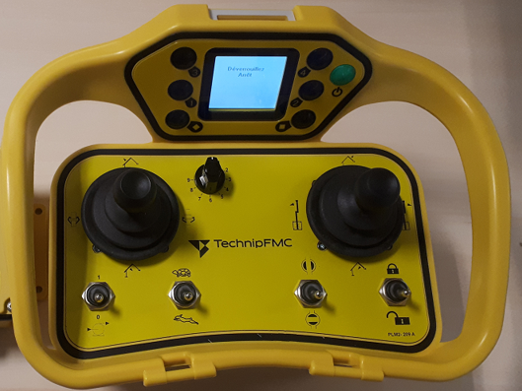

F3

AXANA4
AXANA2
A12
AXANA1
AXANA3

A6
A3
A1
A8

 | T.EN layout for project

 | A1 | Lock / Unlock command

 | A3 | Open / Close ERS

 | A6 | Slow speed / High speed

 | A8 | Start / Stop pump

 | A12 | Arm's selector | (10 positions)

 | AXIS1 | AXANA1 - Joystick for Slewing
 | AXIS2 | AXANA2 - Joystick for Outboard
 | AXIS3 | AXANA3 - Joystick for Coupler
 | AXIS4 | AXANA4 - Joystick for Inboard

Data System
Project : | Tests_Jay_Nemo_MOKA
Customer : | T.EN

Document nr : | /

iDialog software |  |  |  |  |  |  |  |  |  |  |  | STEP7 Siemens software
 | backup filename: | FPI199FU_ProfibusDP(WHC_V2) |  |  |  |  |  |  |  |  |  |  | project name: |  | FMC_REMAN_V5_3_JAY

 | Programmation |  |  |  |  |  |  |  |  |  |  |  | Programmation
 |  | Mapping |  |  |  |  |  |  |  |  |  |  |  |  | Hardware

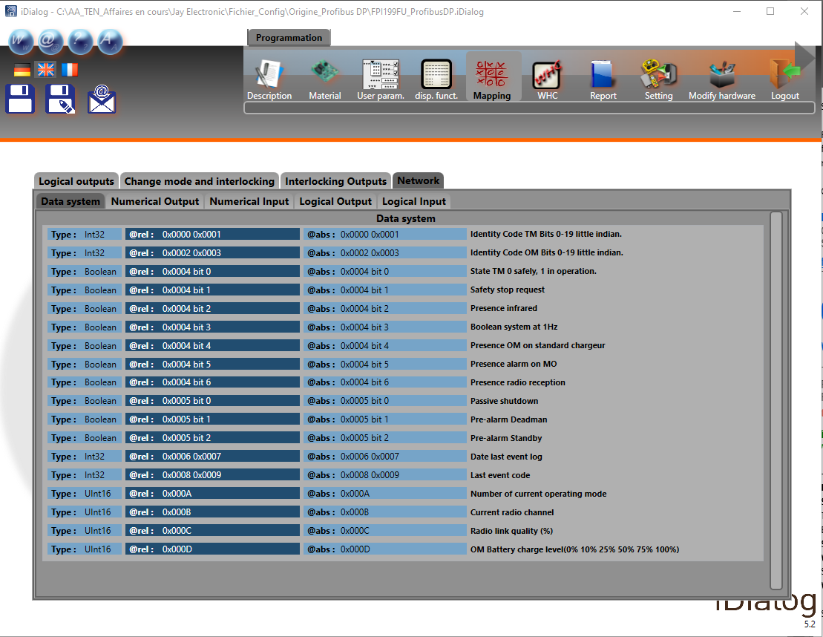
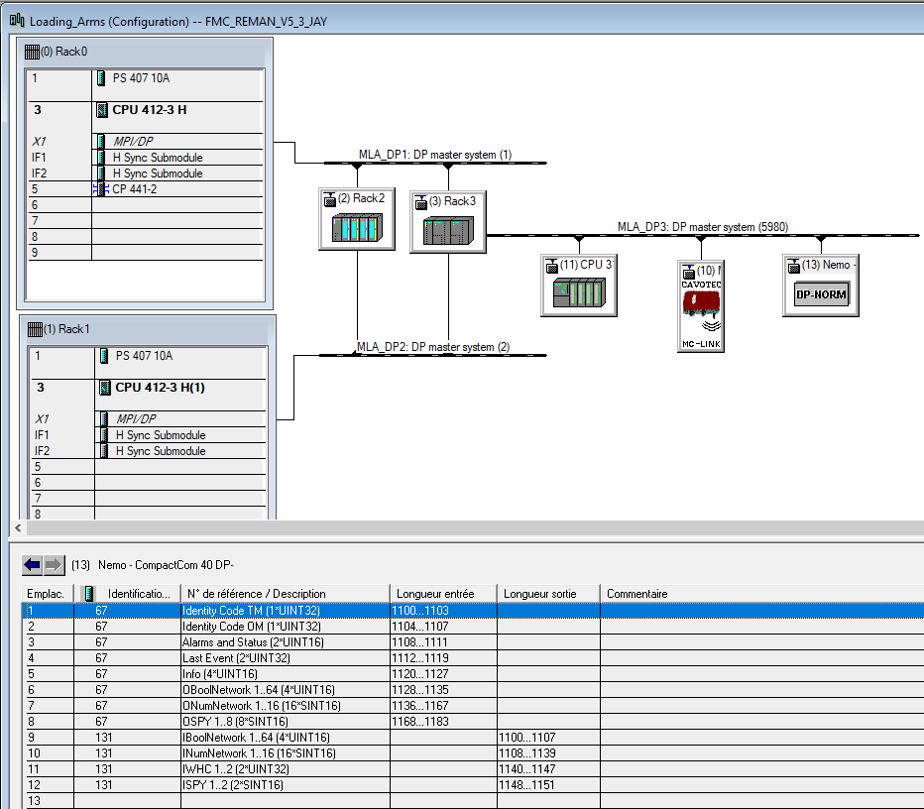


 |  |  |  |  |  |  |  |  | Unique Identity Code for Transmitter

 |  |  |  |  |  |  |  |  | Unique Identity Code for the Receiver

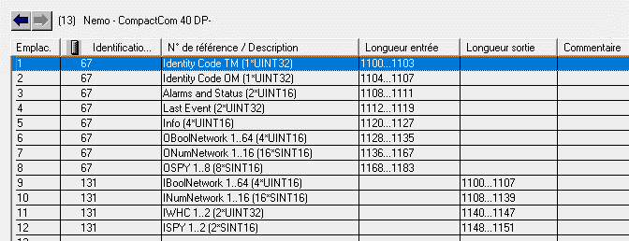
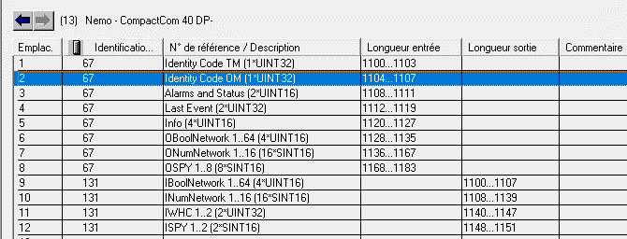

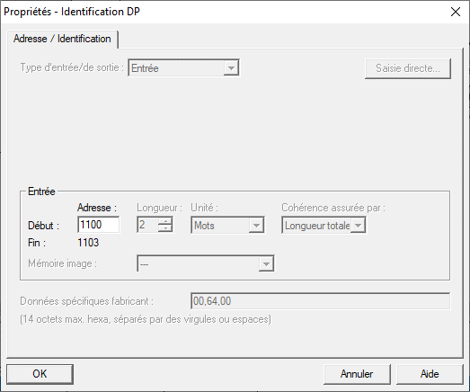
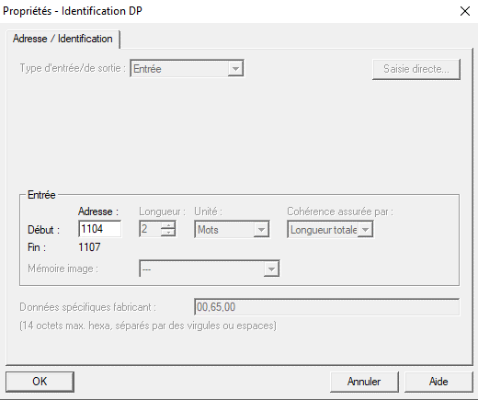

 |  |  |  |  |  |  |  |  |  |  |  | Entrée PLC configurée ds HW |  |  | 1100 |  |  |  |  |  |  |  |  |  |  |  |  |  | Entrée PLC configurée ds HW |  | 1104

 |  |  |  |  |  |  |  | Radio action | bit |  |  | PLC description |  |  | Input number |  | Type |  |  |  |  |  |  |  |  |  | Radio action | bit | PLC description |  | Input number |  | Type
 |  |  |  |  |  |  |  | Identity Code TM Bits 0-19 little indian | 0 |  |  | ODataSystemNetwork.01 |  | E | 1100 | .0 | Int or Real (32)?? |  | 1 Byte |  |  | 1er Word |  |  | 1er Dword |  | Identity Code OM Bits 0-19 little indian | 0 | ODataSystemNetwork.02 | E | 1104 | .0 | Int or Real (32)?? | 1 Byte [EB260] | 1er Word [EW260] | 1er Dword [ED260]
 |  |  |  |  |  |  |  |  | 1 |  |  |  |  | E | 1100 | .1 |  |  |  |  |  |  |  |  |  |  |  | 1 |  | E | 1104 | .1
 |  |  |  |  |  |  |  |  | 2 |  |  |  |  | E | 1100 | .2 |  |  |  |  |  |  |  |  |  |  |  | 2 |  | E | 1104 | .2
 |  |  |  |  |  |  |  |  | 3 |  |  |  |  | E | 1100 | .3 |  |  |  |  |  |  |  |  |  |  |  | 3 |  | E | 1104 | .3
 |  |  |  |  |  |  |  |  | 4 |  |  |  |  | E | 1100 | .4 |  | [EB | 1100 | ] |  |  |  |  |  |  |  | 4 |  | E | 1104 | .4
 |  |  |  |  |  |  |  |  | 5 |  |  |  |  | E | 1100 | .5 |  |  |  |  |  |  |  |  |  |  |  | 5 |  | E | 1104 | .5
 |  |  |  |  |  |  |  |  | 6 |  |  |  |  | E | 1100 | .6 |  |  |  |  |  |  |  |  |  |  |  | 6 |  | E | 1104 | .6
 |  |  |  |  |  |  |  |  | 7 |  |  |  |  | E | 1100 | .7 |  |  |  |  |  |  |  |  |  |  |  | 7 |  | E | 1104 | .7
 |  |  |  |  |  |  |  |  |  |  |  |  |  |  |  |  |  |  |  |  | [EW | 1100 | ]
 |  |  |  |  |  |  |  |  | 8 |  |  |  |  | E | 1101 | .0 |  |  | 1 Byte |  |  |  |  |  |  |  |  | 8 |  | E | 1105 | .0 |  | 1 Byte [EB261]
 |  |  |  |  |  |  |  |  | 9 |  |  |  |  | E | 1101 | .1 |  |  |  |  |  |  |  |  |  |  |  | 9 |  | E | 1105 | .1
 |  |  |  |  |  |  |  |  | 10 |  |  |  |  | E | 1101 | .2 |  |  |  |  |  |  |  |  |  |  |  | 10 |  | E | 1105 | .2
 |  |  |  |  |  |  |  |  | 11 |  |  |  |  | E | 1101 | .3 |  |  |  |  |  |  |  |  |  |  |  | 11 |  | E | 1105 | .3
 |  |  |  |  |  |  |  |  | 12 |  |  |  |  | E | 1101 | .4 |  | [EB | 1101 | ] |  |  |  |  |  |  |  | 12 |  | E | 1105 | .4
 |  |  |  |  |  |  |  |  | 13 |  |  |  |  | E | 1101 | .5 |  |  |  |  |  |  |  |  |  |  |  | 13 |  | E | 1105 | .5
 |  |  |  |  |  |  |  |  | 14 |  |  |  |  | E | 1101 | .6 |  |  |  |  |  |  |  |  |  |  |  | 14 |  | E | 1105 | .6
 |  |  |  |  |  |  |  |  | 15 |  |  |  |  | E | 1101 | .7 |  |  |  |  |  |  |  |  |  |  |  | 15 |  | E | 1105 | .7
 |  |  |  |  |  |  |  |  |  |  |  |  |  |  |  |  |  |  |  |  |  |  |  | [ED | 1100 | ]
 |  |  |  |  |  |  |  |  | 16 |  |  |  |  | E | 1102 | .0 |  |  | 1 Byte |  |  | 2ème Word |  |  |  |  |  | 16 |  | E | 1106 | .0 |  | 1 Byte [EB262] | 2ème Word [EW262]
 |  |  |  |  |  |  |  |  | 17 |  |  |  |  | E | 1102 | .1 |  |  |  |  |  |  |  |  |  |  |  | 17 |  | E | 1106 | .1
 |  |  |  |  |  |  |  |  | 18 |  |  |  |  | E | 1102 | .2 |  |  |  |  |  |  |  |  |  |  |  | 18 |  | E | 1106 | .2
 |  |  |  |  |  |  |  |  | 19 |  |  |  |  | E | 1102 | .3 |  |  |  |  |  |  |  |  |  |  |  | 19 |  | E | 1106 | .3
 |  |  |  |  |  |  |  |  | 20 |  |  |  |  | E | 1102 | .4 |  | [EB | 1102 | ] |  |  |  |  |  |  |  | 20 |  | E | 1106 | .4
 |  |  |  |  |  |  |  |  | 21 |  |  |  |  | E | 1102 | .5 |  |  |  |  |  |  |  |  |  |  |  | 21 |  | E | 1106 | .5
 |  |  |  |  |  |  |  |  | 22 |  |  |  |  | E | 1102 | .6 |  |  |  |  |  |  |  |  |  |  |  | 22 |  | E | 1106 | .6
 |  |  |  |  |  |  |  |  | 23 |  |  |  |  | E | 1102 | .7 |  |  |  |  |  |  |  |  |  |  |  | 23 |  | E | 1106 | .7
 |  |  |  |  |  |  |  |  |  |  |  |  |  |  |  |  |  |  |  |  | [EW | 1102 | ]
 |  |  |  |  |  |  |  |  | 24 |  |  |  |  | E | 1103 | .0 |  |  | 1 Byte |  |  |  |  |  |  |  |  | 24 |  | E | 1107 | .0 |  | 1 Byte [EB263]
 |  |  |  |  |  |  |  |  | 25 |  |  |  |  | E | 1103 | .1 |  |  |  |  |  |  |  |  |  |  |  | 25 |  | E | 1107 | .1
 |  |  |  |  |  |  |  |  | 26 |  |  |  |  | E | 1103 | .2 |  |  |  |  |  |  |  |  |  |  |  | 26 |  | E | 1107 | .2
 |  |  |  |  |  |  |  |  | 27 |  |  |  |  | E | 1103 | .3 |  |  |  |  |  |  |  |  |  |  |  | 27 |  | E | 1107 | .3
 |  |  |  |  |  |  |  |  | 28 |  |  |  |  | E | 1103 | .4 |  | [EB | 1103 | ] |  |  |  |  |  |  |  | 28 |  | E | 1107 | .4
 |  |  |  |  |  |  |  |  | 29 |  |  |  |  | E | 1103 | .5 |  |  |  |  |  |  |  |  |  |  |  | 29 |  | E | 1107 | .5
 |  |  |  |  |  |  |  |  | 30 |  |  |  |  | E | 1103 | .6 |  |  |  |  |  |  |  |  |  |  |  | 30 |  | E | 1107 | .6
 |  |  |  |  |  |  |  |  | 31 |  |  |  |  | E | 1103 | .7 |  |  |  |  |  |  |  |  |  |  |  | 31 |  | E | 1107 | .7

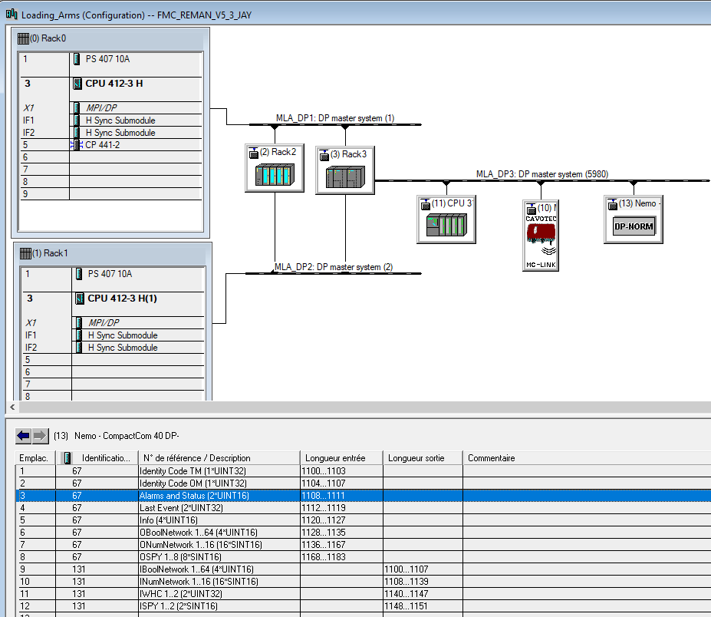

 |  |  |  |  |  |  |  |  |  |  |  | Alarms & Status

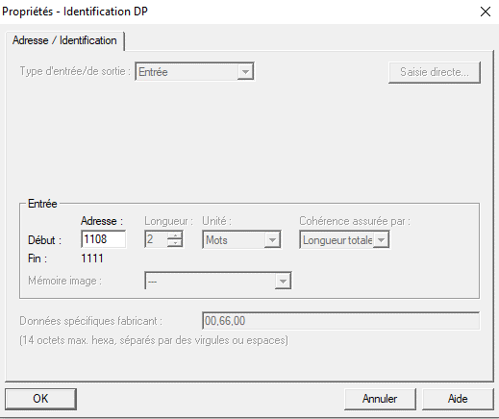

 |  |  |  |  |  |  |  |  |  |  |  | Entrée PLC configurée ds HW |  |  | 1108

 |  |  |  |  |  |  |  | Radio action | bit | SIEMENS CONDUCTIX | N° | PLC description |  |  | Input number |  | Type
 |  |  |  |  |  |  |  |  | 0 | 8 | 0 | OBoolAlmStat.01 |  | E | 1108 | .0 | Boolean |  | 1 Byte |  |  | 1er Word
 |  |  |  |  |  |  |  |  | 1 | 9 | 1 | OBoolAlmStat.02 |  | E | 1108 | .1 | Boolean
 |  |  |  |  |  |  |  |  | 2 | 10 | 2 | OBoolAlmStat.03 |  | E | 1108 | .2 | Boolean
 |  |  |  |  |  |  |  |  | 3 | 11 | 3 | OBoolAlmStat.04 |  | E | 1108 | .3 | Boolean
 |  |  |  |  |  |  |  |  | 4 | 12 | 4 | OBoolAlmStat.05 |  | E | 1108 | .4 | Boolean | [EB | 1108 | ]
 |  |  |  |  |  |  |  |  | 5 | 13 | 5 | OBoolAlmStat.06 |  | E | 1108 | .5 | Boolean
 |  |  |  |  |  |  |  |  | 6 | 14 | 6 | OBoolAlmStat.07 |  | E | 1108 | .6 | Boolean
 |  |  |  |  |  |  |  |  | 7 | 15 | 7 | OBoolAlmStat.08 |  | E | 1108 | .7 | Boolean
 |  |  |  |  |  |  |  |  |  |  |  |  |  |  |  |  |  |  |  |  | [EW | 1108 | ]
 |  |  |  |  |  |  |  | State TM / 0 safety / 1 in operation | 0 | 0 | 8 | OBoolAlmStat.09 |  | E | 1109 | .0 | Boolean |  | 1 Byte
 |  |  |  |  |  |  |  | Safety stop request | 1 | 1 | 9 | OBoolAlmStat.10 |  | E | 1109 | .1 | Boolean
 |  |  |  |  |  |  |  | Presence infrared | 2 | 2 | 10 | OBoolAlmStat.11 |  | E | 1109 | .2 | Boolean
 |  |  |  |  |  |  |  | Boolean system at 1Hz | 3 | 3 | 11 | OBoolAlmStat.12 |  | E | 1109 | .3 | Boolean
 |  |  |  |  |  |  |  | Presence OM on std charger | 4 | 4 | 12 | OBoolAlmStat.13 |  | E | 1109 | .4 | Boolean | [EB | 1109 | ]
 |  |  |  |  |  |  |  | Presence alarm on MO | 5 | 5 | 13 | OBoolAlmStat.14 |  | E | 1109 | .5 | Boolean
 |  |  |  |  |  |  |  | Presence radio reception | 6 | 6 | 14 | OBoolAlmStat.15 |  | E | 1109 | .6 | Boolean
 |  |  |  |  |  |  |  |  | 7 | 7 | 15 | OBoolAlmStat.16 |  | E | 1109 | .7 | Boolean

 |  |  |  |  |  |  |  |  | 0 | 24 | 16 | OBoolAlmStat.17 |  | E | 1110 | .0 | Boolean |  | 1 Byte |  |  | 2ème Word
 |  |  |  |  |  |  |  |  | 1 | 25 | 17 | OBoolAlmStat.18 |  | E | 1110 | .1 | Boolean
 |  |  |  |  |  |  |  |  | 2 | 26 | 18 | OBoolAlmStat.19 |  | E | 1110 | .2 | Boolean
 |  |  |  |  |  |  |  |  | 3 | 27 | 19 | OBoolAlmStat.20 |  | E | 1110 | .3 | Boolean
 |  |  |  |  |  |  |  |  | 4 | 28 | 20 | OBoolAlmStat.21 |  | E | 1110 | .4 | Boolean | [EB | 1110 | ]
 |  |  |  |  |  |  |  |  | 5 | 29 | 21 | OBoolAlmStat.22 |  | E | 1110 | .5 | Boolean
 |  |  |  |  |  |  |  |  | 6 | 30 | 22 | OBoolAlmStat.23 |  | E | 1110 | .6 | Boolean
 |  |  |  |  |  |  |  |  | 7 | 31 | 23 | OBoolAlmStat.24 |  | E | 1110 | .7 | Boolean
 |  |  |  |  |  |  |  |  |  |  |  |  |  |  |  |  |  |  |  |  | [EW | 1110 | ]
 |  |  |  |  |  |  |  | Passive shutdown | 0 | 16 | 24 | OBoolAlmStat.25 |  | E | 1111 | .0 | Boolean |  | 1 Byte
 |  |  |  |  |  |  |  | Pre-alarm deadman | 1 | 17 | 25 | OBoolAlmStat.26 |  | E | 1111 | .1 | Boolean
 |  |  |  |  |  |  |  | Pre-alarm standby | 2 | 18 | 26 | OBoolAlmStat.27 |  | E | 1111 | .2 | Boolean
 |  |  |  |  |  |  |  |  | 3 | 19 | 27 | OBoolAlmStat.28 |  | E | 1111 | .3 | Boolean
 |  |  |  |  |  |  |  |  | 4 | 20 | 28 | OBoolAlmStat.29 |  | E | 1111 | .4 | Boolean | [EB | 1111 | ]
 |  |  |  |  |  |  |  |  | 5 | 21 | 29 | OBoolAlmStat.30 |  | E | 1111 | .5 | Boolean
 |  |  |  |  |  |  |  |  | 6 | 22 | 30 | OBoolAlmStat.31 |  | E | 1111 | .6 | Boolean
 |  |  |  |  |  |  |  |  | 7 | 23 | 31 | OBoolAlmStat.32 |  | E | 1111 | .7 | Boolean

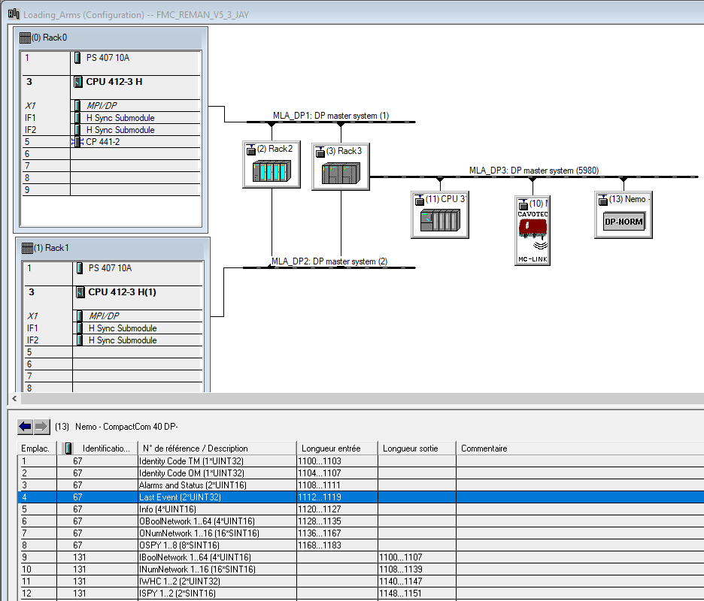

Last event Date (for log file)
 |  |  |  |  |  |  |  |  |  |  |  | Last event

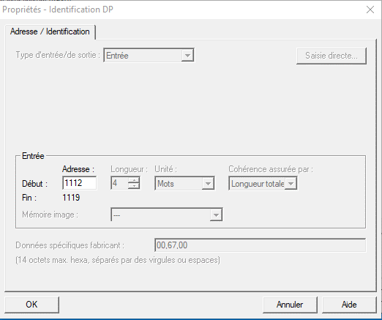

 |  |  |  |  |  |  |  |  |  |  |  | Entrée PLC configurée ds HW |  |  | 1112

 |  |  |  |  |  |  |  | Radio action | bit |  |  | PLC description |  |  | Input number |  | Type
 |  |  |  |  |  |  |  | Date last event log | 0 |  |  | IAlmStat.01 |  | E | 1112 | .0 | Int or Real (32)?? |  | 1 Byte |  |  | 1er Word |  |  | 1er Dword
 |  |  |  |  |  |  |  |  | 1 |  |  |  |  | E | 1112 | .1
 |  |  |  |  |  |  |  |  | 2 |  |  |  |  | E | 1112 | .2
 |  |  |  |  |  |  |  |  | 3 |  |  |  |  | E | 1112 | .3
 |  |  |  |  |  |  |  |  | 4 |  |  |  |  | E | 1112 | .4 |  | [EB | 1112 | ]
 |  |  |  |  |  |  |  |  | 5 |  |  |  |  | E | 1112 | .5
 |  |  |  |  |  |  |  |  | 6 |  |  |  |  | E | 1112 | .6
 |  |  |  |  |  |  |  |  | 7 |  |  |  |  | E | 1112 | .7
 |  |  |  |  |  |  |  |  |  |  |  |  |  |  |  |  |  |  |  |  | [EW | 1112 | ]
 |  |  |  |  |  |  |  |  | 8 |  |  |  |  | E | 1113 | .0 |  |  | 1 Byte
 |  |  |  |  |  |  |  |  | 9 |  |  |  |  | E | 1113 | .1
 |  |  |  |  |  |  |  |  | 10 |  |  |  |  | E | 1113 | .2
 |  |  |  |  |  |  |  |  | 11 |  |  |  |  | E | 1113 | .3
 |  |  |  |  |  |  |  |  | 12 |  |  |  |  | E | 1113 | .4 |  | [EB | 1113 | ]
 |  |  |  |  |  |  |  |  | 13 |  |  |  |  | E | 1113 | .5
 |  |  |  |  |  |  |  |  | 14 |  |  |  |  | E | 1113 | .6
 |  |  |  |  |  |  |  |  | 15 |  |  |  |  | E | 1113 | .7
 |  |  |  |  |  |  |  |  |  |  |  |  |  |  |  |  |  |  |  |  |  |  |  | [ED | 1112 | ]
 |  |  |  |  |  |  |  |  | 16 |  |  |  |  | E | 1114 | .0 |  |  | 1 Byte |  |  | 2ème Word
 |  |  |  |  |  |  |  |  | 17 |  |  |  |  | E | 1114 | .1
 |  |  |  |  |  |  |  |  | 18 |  |  |  |  | E | 1114 | .2
 |  |  |  |  |  |  |  |  | 19 |  |  |  |  | E | 1114 | .3
 |  |  |  |  |  |  |  |  | 20 |  |  |  |  | E | 1114 | .4 |  | [EB | 1114 | ]
 |  |  |  |  |  |  |  |  | 21 |  |  |  |  | E | 1114 | .5
 |  |  |  |  |  |  |  |  | 22 |  |  |  |  | E | 1114 | .6
 |  |  |  |  |  |  |  |  | 23 |  |  |  |  | E | 1114 | .7
 |  |  |  |  |  |  |  |  |  |  |  |  |  |  |  |  |  |  |  |  | [EW | 1114 | ]
 |  |  |  |  |  |  |  |  | 24 |  |  |  |  | E | 1115 | .0 |  |  | 1 Byte
 |  |  |  |  |  |  |  |  | 25 |  |  |  |  | E | 1115 | .1
 |  |  |  |  |  |  |  |  | 26 |  |  |  |  | E | 1115 | .2
 |  |  |  |  |  |  |  |  | 27 |  |  |  |  | E | 1115 | .3
 |  |  |  |  |  |  |  |  | 28 |  |  |  |  | E | 1115 | .4 |  | [EB | 1115 | ]
 |  |  |  |  |  |  |  |  | 29 |  |  |  |  | E | 1115 | .5
 |  |  |  |  |  |  |  |  | 30 |  |  |  |  | E | 1115 | .6
 |  |  |  |  |  |  |  |  | 31 |  |  |  |  | E | 1115 | .7

 |  |  |  |  |  |  |  | Last event code | 0 |  |  | IAlmStat.02 |  | E | 1116 | .0 | Int or Real (32)?? |  | 1 Byte |  |  | 1er Word |  |  | 2eme Dword
 |  |  |  |  |  |  |  |  | 1 |  |  |  |  | E | 1116 | .1
 |  |  |  |  |  |  |  |  | 2 |  |  |  |  | E | 1116 | .2
 |  |  |  |  |  |  |  |  | 3 |  |  |  |  | E | 1116 | .3
 |  |  |  |  |  |  |  |  | 4 |  |  |  |  | E | 1116 | .4 |  | [EB | 1116 | ]
 |  |  |  |  |  |  |  |  | 5 |  |  |  |  | E | 1116 | .5
 |  |  |  |  |  |  |  |  | 6 |  |  |  |  | E | 1116 | .6
 |  |  |  |  |  |  |  |  | 7 |  |  |  |  | E | 1116 | .7
 |  |  |  |  |  |  |  |  |  |  |  |  |  |  |  |  |  |  |  |  | [EW | 1116 | ]
 |  |  |  |  |  |  |  |  | 8 |  |  |  |  | E | 1117 | .0 |  |  | 1 Byte
 |  |  |  |  |  |  |  |  | 9 |  |  |  |  | E | 1117 | .1
 |  |  |  |  |  |  |  |  | 10 |  |  |  |  | E | 1117 | .2
 |  |  |  |  |  |  |  |  | 11 |  |  |  |  | E | 1117 | .3
 |  |  |  |  |  |  |  |  | 12 |  |  |  |  | E | 1117 | .4 |  | [EB | 1117 | ]
 |  |  |  |  |  |  |  |  | 13 |  |  |  |  | E | 1117 | .5
 |  |  |  |  |  |  |  |  | 14 |  |  |  |  | E | 1117 | .6
 |  |  |  |  |  |  |  |  | 15 |  |  |  |  | E | 1117 | .7
 |  |  |  |  |  |  |  |  |  |  |  |  |  |  |  |  |  |  |  |  |  |  |  | [ED | 1116 | ]
 |  |  |  |  |  |  |  |  | 16 |  |  |  |  | E | 1118 | .0 |  |  | 1 Byte |  |  | 2ème Word
 |  |  |  |  |  |  |  |  | 17 |  |  |  |  | E | 1118 | .1
 |  |  |  |  |  |  |  |  | 18 |  |  |  |  | E | 1118 | .2
 |  |  |  |  |  |  |  |  | 19 |  |  |  |  | E | 1118 | .3
 |  |  |  |  |  |  |  |  | 20 |  |  |  |  | E | 1118 | .4 |  | [EB | 1118 | ]
 |  |  |  |  |  |  |  |  | 21 |  |  |  |  | E | 1118 | .5
 |  |  |  |  |  |  |  |  | 22 |  |  |  |  | E | 1118 | .6
 |  |  |  |  |  |  |  |  | 23 |  |  |  |  | E | 1118 | .7
 |  |  |  |  |  |  |  |  |  |  |  |  |  |  |  |  |  |  |  |  | [EW | 1118 | ]
 |  |  |  |  |  |  |  |  | 24 |  |  |  |  | E | 1119 | .0 |  |  | 1 Byte
 |  |  |  |  |  |  |  |  | 25 |  |  |  |  | E | 1119 | .1
 |  |  |  |  |  |  |  |  | 26 |  |  |  |  | E | 1119 | .2
 |  |  |  |  |  |  |  |  | 27 |  |  |  |  | E | 1119 | .3
 |  |  |  |  |  |  |  |  | 28 |  |  |  |  | E | 1119 | .4 |  | [EB | 1119 | ]
 |  |  |  |  |  |  |  |  | 29 |  |  |  |  | E | 1119 | .5
 |  |  |  |  |  |  |  |  | 30 |  |  |  |  | E | 1119 | .6
 |  |  |  |  |  |  |  |  | 31 |  |  |  |  | E | 1119 | .7

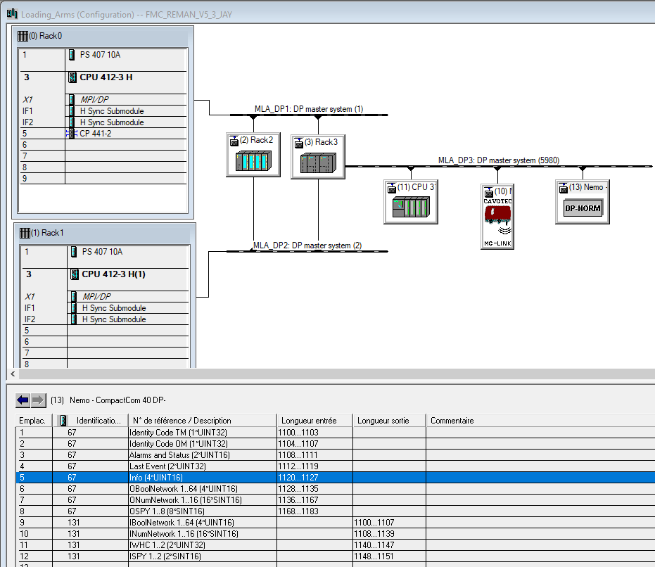

Transmitter infos

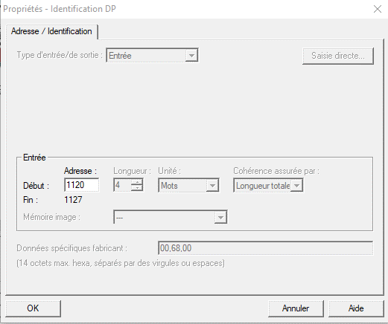

 |  |  |  |  |  |  |  |  |  |  |  | Entrée PLC configurée ds HW |  |  | 1120

 |  |  |  |  |  |  |  | Radio action | bit |  |  | PLC description |  |  | Input number |  | Type
 |  |  |  |  |  |  |  | NOMBER OF CURRENT OPERATING MODE | 0 |  |  | InInfo.01 |  | E | 1120 | .0 | Int (16) |  | 1 Byte |  |  | 1er Word
 |  |  |  |  |  |  |  |  | 1 |  |  |  |  | E | 1120 | .1
 |  |  |  |  |  |  |  |  | 2 |  |  |  |  | E | 1120 | .2
 |  |  |  |  |  |  |  |  | 3 |  |  |  |  | E | 1120 | .3
 |  |  |  |  |  |  |  |  | 4 |  |  |  |  | E | 1120 | .4 |  | [EB | 1120 | ]
 |  |  |  |  |  |  |  |  | 5 |  |  |  |  | E | 1120 | .5
 |  |  |  |  |  |  |  |  | 6 |  |  |  |  | E | 1120 | .6
 |  |  |  |  |  |  |  |  | 7 |  |  |  |  | E | 1120 | .7
 |  |  |  |  |  |  |  |  |  |  |  |  |  |  |  |  |  |  |  |  | [EW | 1120 | ]
 |  |  |  |  |  |  |  |  | 8 |  |  |  |  | E | 1121 | .0 |  |  | 1 Byte
 |  |  |  |  |  |  |  |  | 9 |  |  |  |  | E | 1121 | .1
 |  |  |  |  |  |  |  |  | 10 |  |  |  |  | E | 1121 | .2
 |  |  |  |  |  |  |  |  | 11 |  |  |  |  | E | 1121 | .3
 |  |  |  |  |  |  |  |  | 12 |  |  |  |  | E | 1121 | .4 |  | [EB | 1121 | ]
 |  |  |  |  |  |  |  |  | 13 |  |  |  |  | E | 1121 | .5
 |  |  |  |  |  |  |  |  | 14 |  |  |  |  | E | 1121 | .6
 |  |  |  |  |  |  |  |  | 15 |  |  |  |  | E | 1121 | .7

 |  |  |  |  |  |  |  | CURRENT RATIO CHANNEL | 0 |  |  | InInfo.02 |  | E | 1122 | .0 | Int (16) |  | 1 Byte |  |  | 2eme Word
 |  |  | Retour de valeur dans PLC: |  | ok |  |  |  | 1 |  |  |  |  | E | 1122 | .1
 |  |  | Valeur du canal de communication: |  |  | 7 | (actuellement) |  | 2 |  |  |  |  | E | 1122 | .2
 |  |  |  |  |  |  |  |  | 3 |  |  |  |  | E | 1122 | .3
 |  |  |  |  |  |  |  |  | 4 |  |  |  |  | E | 1122 | .4 |  | [EB | 1122 | ]
 |  |  |  |  |  |  |  |  | 5 |  |  |  |  | E | 1122 | .5
 |  |  |  |  |  |  |  |  | 6 |  |  |  |  | E | 1122 | .6
 |  |  |  |  |  |  |  |  | 7 |  |  |  |  | E | 1122 | .7
 |  |  |  |  |  |  |  |  |  |  |  |  |  |  |  |  |  |  |  |  | [EW | 1122 | ]
 |  |  |  |  |  |  |  |  | 8 |  |  |  |  | E | 1123 | .0 |  |  | 1 Byte
 |  |  |  |  |  |  |  |  | 9 |  |  |  |  | E | 1123 | .1
 |  |  |  |  |  |  |  |  | 10 |  |  |  |  | E | 1123 | .2
 |  |  |  |  |  |  |  |  | 11 |  |  |  |  | E | 1123 | .3
 |  |  |  |  |  |  |  |  | 12 |  |  |  |  | E | 1123 | .4 |  | [EB | 1123 | ]
 |  |  |  |  |  |  |  |  | 13 |  |  |  |  | E | 1123 | .5
 |  |  |  |  |  |  |  |  | 14 |  |  |  |  | E | 1123 | .6
 |  |  |  |  |  |  |  |  | 15 |  |  |  |  | E | 1123 | .7

 |  |  |  |  |  |  |  | RADIO LINK QUALITY (%) | 0 |  |  | InInfo.03 |  | E | 1124 | .0 | Int (16) |  | 1 Byte |  |  | 3eme Word
 |  |  | Retour de valeur dans PLC: |  | ok |  |  |  | 1 |  |  |  |  | E | 1124 | .1
 |  |  | Valeurs: | de 0 à 100% |  |  |  |  | 2 |  |  |  |  | E | 1124 | .2
 |  |  |  |  |  |  |  |  | 3 |  |  |  |  | E | 1124 | .3
 |  |  |  |  |  |  |  |  | 4 |  |  |  |  | E | 1124 | .4 |  | [EB | 1124 | ]
 |  |  |  |  |  |  |  |  | 5 |  |  |  |  | E | 1124 | .5
 |  |  |  |  |  |  |  |  | 6 |  |  |  |  | E | 1124 | .6
 |  |  |  |  |  |  |  |  | 7 |  |  |  |  | E | 1124 | .7
 |  |  |  |  |  |  |  |  |  |  |  |  |  |  |  |  |  |  |  |  | [EW | 1124 | ]
 |  |  |  |  |  |  |  |  | 8 |  |  |  |  | E | 1125 | .0 |  |  | 1 Byte
 |  |  |  |  |  |  |  |  | 9 |  |  |  |  | E | 1125 | .1
 |  |  |  |  |  |  |  |  | 10 |  |  |  |  | E | 1125 | .2
 |  |  |  |  |  |  |  |  | 11 |  |  |  |  | E | 1125 | .3
 |  |  |  |  |  |  |  |  | 12 |  |  |  |  | E | 1125 | .4 |  | [EB | 1125 | ]
 |  |  |  |  |  |  |  |  | 13 |  |  |  |  | E | 1125 | .5
 |  |  |  |  |  |  |  |  | 14 |  |  |  |  | E | 1125 | .6
 |  |  |  |  |  |  |  |  | 15 |  |  |  |  | E | 1125 | .7
 |  |  | ²

 |  |  |  |  |  |  |  | OM BATTERY CHARGE LEVEL (%) (0% 10% 25% 50% 75% 100%) | 0 |  |  | InInfo.04 |  | E | 1126 | .0 | Int (16) |  | 1 Byte |  |  | 4eme Word
 |  |  | Retour de valeur dans PLC: |  | ok |  |  |  | 1 |  |  |  |  | E | 1126 | .1
 |  |  |  |  |  |  |  |  | 2 |  |  |  |  | E | 1126 | .2
 |  |  |  |  |  |  |  |  | 3 |  |  |  |  | E | 1126 | .3
 |  |  |  |  |  |  |  |  | 4 |  |  |  |  | E | 1126 | .4 |  | [EB | 1126 | ]
 |  |  |  |  |  |  |  |  | 5 |  |  |  |  | E | 1126 | .5
 |  |  |  |  |  |  |  |  | 6 |  |  |  |  | E | 1126 | .6
 |  |  |  |  |  |  |  |  | 7 |  |  |  |  | E | 1126 | .7
 |  |  |  |  |  |  |  |  |  |  |  |  |  |  |  |  |  |  |  |  | [EW | 1126 | ]
 |  |  |  |  |  |  |  |  | 8 |  |  |  |  | E | 1127 | .0 |  |  | 1 Byte
 |  |  |  |  |  |  |  |  | 9 |  |  |  |  | E | 1127 | .1
 |  |  |  |  |  |  |  |  | 10 |  |  |  |  | E | 1127 | .2
 |  |  |  |  |  |  |  |  | 11 |  |  |  |  | E | 1127 | .3
 |  |  |  |  |  |  |  |  | 12 |  |  |  |  | E | 1127 | .4 |  | [EB | 1127 | ]
 |  |  |  |  |  |  |  |  | 13 |  |  |  |  | E | 1127 | .5
 |  |  |  |  |  |  |  |  | 14 |  |  |  |  | E | 1127 | .6
 |  |  |  |  |  |  |  |  | 15 |  |  |  |  | E | 1127 | .7

Logical Output.Transceiver->PLC
Project : | Tests_Jay_Nemo_MOKA
Customer : | T.EN

Document nr : | /

iDialog software |  |  |  |  |  |  | STEP7 Siemens software
 | backup filename: | FPI199FU_ProfibusDP(WHC_V2) |  |  |  |  |  | project name: |  | FMC_REMAN_V5_3_JAY

 | Programmation |  |  |  |  |  |  | Programmation
 |  | Mapping |  |  |  |  |  |  |  | Hardware

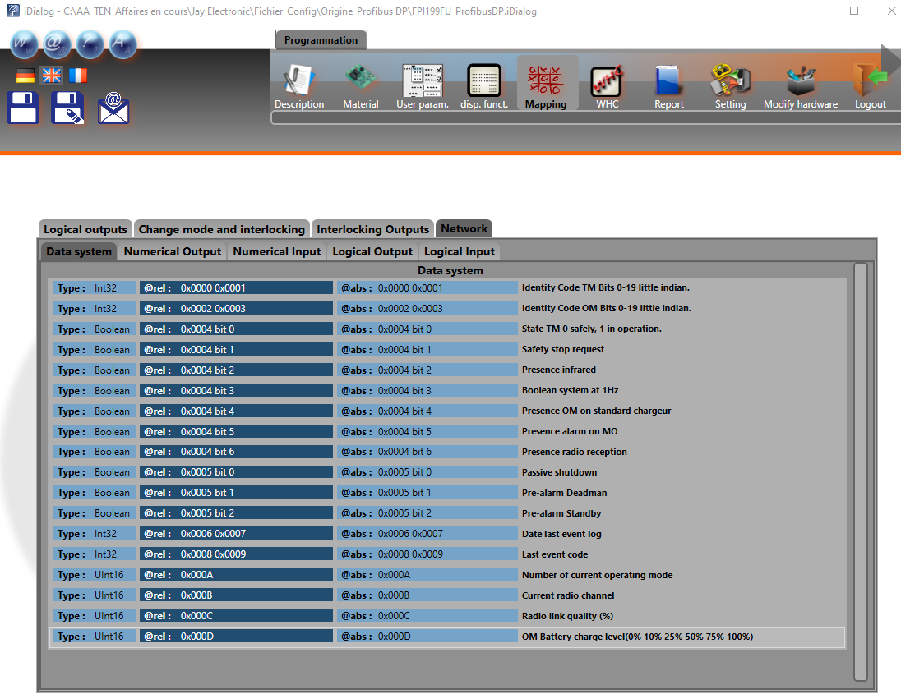
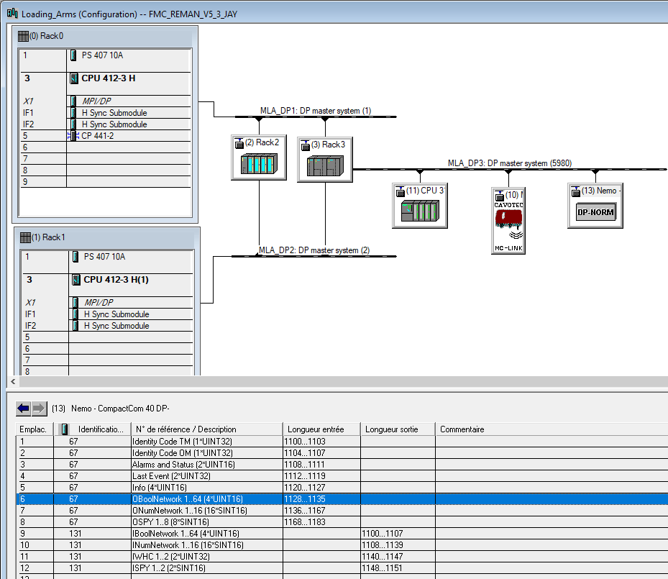

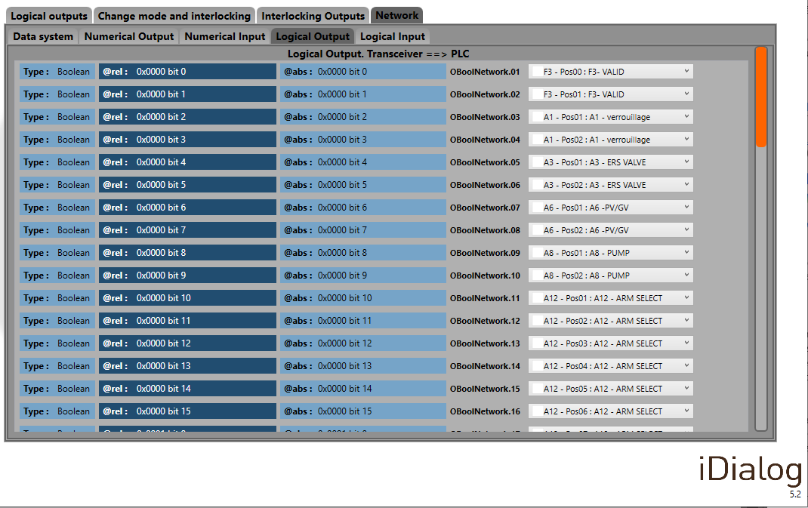
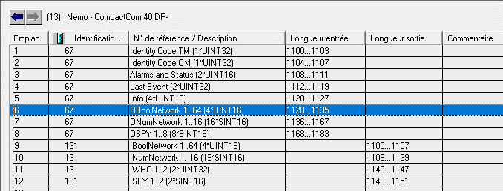

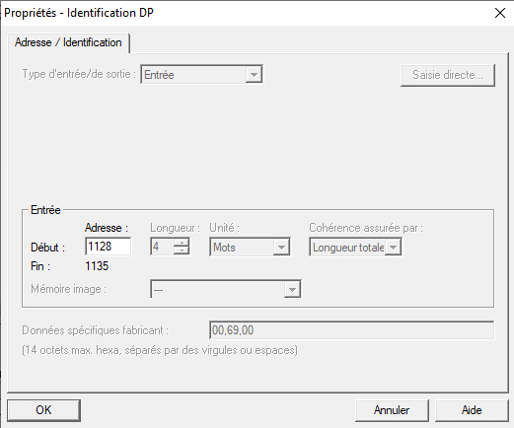

 |  |  |  |  |  |  | Entrée PLC configurée ds HW |  |  | 1128

 |  |  | Radio action | bit | SIEMENS CONDUCTIX | N° | PLC description |  |  | Input number |  | Type
 |  |  | A8 - Pos01 : A8 - START PUMP | 0 | 8 | 0 | OBoolNetwork.9 |  | E | 1128 | .0 | Boolean |  | 1 Byte |  |  | 1er Word
 |  |  | A8 - Pos02 : A8 - STOP PUMP | 1 | 9 | 1 | OBoolNetwork.10 |  | E | 1128 | .1 | Boolean
 |  |  | A12 - Pos01 : A12 - ARM SELECT | 2 | 10 | 2 | OBoolNetwork.11 |  | E | 1128 | .2 | Boolean
 |  |  | A12 - Pos02 : A12 - ARM SELECT | 3 | 11 | 3 | OBoolNetwork.12 |  | E | 1128 | .3 | Boolean
 |  |  | A12 - Pos03 : A12 - ARM SELECT | 4 | 12 | 4 | OBoolNetwork.13 |  | E | 1128 | .4 | Boolean | [EB | 1128 | ]
 |  |  | A12 - Pos04 : A12 - ARM SELECT | 5 | 13 | 5 | OBoolNetwork.14 |  | E | 1128 | .5 | Boolean
 |  |  | A12 - Pos05 : A12 - ARM SELECT | 6 | 14 | 6 | OBoolNetwork.15 |  | E | 1128 | .6 | Boolean
 |  |  | A12 - Pos06 : A12 - ARM SELECT | 7 | 15 | 7 | OBoolNetwork.16 |  | E | 1128 | .7 | Boolean
 |  |  |  |  |  |  |  |  |  |  |  |  |  |  |  | [EW | 1128 | ]
 |  |  | F3 - Pos00 : F3-VALID | 0 | 0 | 8 | OBoolNetwork.1 |  | E | 1129 | .0 | Boolean |  | 1 Byte
 |  |  | F3 - Pos01 : F3-VALID | 1 | 1 | 9 | OBoolNetwork.2 |  | E | 1129 | .1 | Boolean
 |  |  | A1 - Pos01 : A1 - Déverrouillage | 2 | 2 | 10 | OBoolNetwork.3 |  | E | 1129 | .2 | Boolean
 |  |  | A1 - Pos02 : A1 - Vérrouillage | 3 | 3 | 11 | OBoolNetwork.4 |  | E | 1129 | .3 | Boolean
 |  |  | A3 - Pos01 : A3 - Open ERS VALVE | 4 | 4 | 12 | OBoolNetwork.5 |  | E | 1129 | .4 | Boolean | [EB | 1129 | ]
 |  |  | A3 - Pos02 : A3 - Close ERS VALVE | 5 | 5 | 13 | OBoolNetwork.6 |  | E | 1129 | .5 | Boolean
 |  |  | A6 - Pos01 : A6 - PV | 6 | 6 | 14 | OBoolNetwork.7 |  | E | 1129 | .6 | Boolean
 |  |  | A6 - Pos02 : A6 - GV | 7 | 7 | 15 | OBoolNetwork.8 |  | E | 1129 | .7 | Boolean

 |  |  | free | 0 | 24 | 16 | OBoolNetwork.25 |  | E | 1130 | .0 | Boolean |  | 1 Byte |  |  | 2ème Word
 |  |  | free | 1 | 25 | 17 | OBoolNetwork.26 |  | E | 1130 | .1 | Boolean
 |  |  | free | 2 | 26 | 18 | OBoolNetwork.27 |  | E | 1130 | .2 | Boolean
 |  |  | free | 3 | 27 | 19 | OBoolNetwork.28 |  | E | 1130 | .3 | Boolean
 |  |  | free | 4 | 28 | 20 | OBoolNetwork.29 |  | E | 1130 | .4 | Boolean | [EB | 1130 | ]
 |  |  | free | 5 | 29 | 21 | OBoolNetwork.30 |  | E | 1130 | .5 | Boolean
 |  |  | free | 6 | 30 | 22 | OBoolNetwork.31 |  | E | 1130 | .6 | Boolean
 |  |  | free | 7 | 31 | 23 | OBoolNetwork.32 |  | E | 1130 | .7 | Boolean
 |  |  |  |  |  |  |  |  |  |  |  |  |  |  |  | [EW | 1130 | ]
 |  |  | A12 - Pos07 : A12 - ARM SELECT | 0 | 16 | 24 | OBoolNetwork.17 |  | E | 1131 | .0 | Boolean |  | 1 Byte
 |  |  | A12 - Pos08 : A12 - ARM SELECT | 1 | 17 | 25 | OBoolNetwork.18 |  | E | 1131 | .1 | Boolean
 |  |  | A12 - Pos09 : A12 - ARM SELECT | 2 | 18 | 26 | OBoolNetwork.19 |  | E | 1131 | .2 | Boolean
 |  |  | A12 - Pos10 : A12 - ARM SELECT | 3 | 19 | 27 | OBoolNetwork.20 |  | E | 1131 | .3 | Boolean
 |  |  | AXIS3 - Pos00 : AXANA3 - COUPLER | 4 | 20 | 28 | OBoolNetwork.21 |  | E | 1131 | .4 | Boolean | [EB | 1131 | ]
 |  |  | AXIS3 - Pos-01 : AXANA3 - CLOSE COUPLER | 5 | 21 | 29 | OBoolNetwork.22 |  | E | 1131 | .5 | Boolean
 |  |  | AXIS3 - Pos01 : AXANA3 - OPEN COUPLER | 6 | 22 | 30 | OBoolNetwork.23 |  | E | 1131 | .6 | Boolean
 |  |  | F4 - Pos01 : F4-CLOSE COUPLER | 7 | 23 | 31 | OBoolNetwork.24 |  | E | 1131 | .7 | Boolean

 |  |  | free | 0 | 40 | 32 | OBoolNetwork.41 |  | E | 1132 | .0 | Boolean |  | 1 Byte |  |  | 3ème Word
 |  |  | free | 1 | 41 | 33 | OBoolNetwork.42 |  | E | 1132 | .1 | Boolean
 |  |  | free | 2 | 42 | 34 | OBoolNetwork.43 |  | E | 1132 | .2 | Boolean
 |  |  | free | 3 | 43 | 35 | OBoolNetwork.44 |  | E | 1132 | .3 | Boolean
 |  |  | free | 4 | 44 | 36 | OBoolNetwork.45 |  | E | 1132 | .4 | Boolean | [EB | 1132 | ]
 |  |  | free | 5 | 45 | 37 | OBoolNetwork.46 |  | E | 1132 | .5 | Boolean
 |  |  | free | 6 | 46 | 38 | OBoolNetwork.47 |  | E | 1132 | .6 | Boolean
 |  |  | free | 7 | 47 | 39 | OBoolNetwork.48 |  | E | 1132 | .7 | Boolean
 |  |  |  |  |  |  |  |  |  |  |  |  |  |  |  | [EW | 1132 | ]
 |  |  | free | 0 | 32 | 40 | OBoolNetwork.33 |  | E | 1133 | .0 | Boolean |  | 1 Byte
 |  |  | free | 1 | 33 | 41 | OBoolNetwork.34 |  | E | 1133 | .1 | Boolean
 |  |  | free | 2 | 34 | 42 | OBoolNetwork.35 |  | E | 1133 | .2 | Boolean
 |  |  | free | 3 | 35 | 43 | OBoolNetwork.36 |  | E | 1133 | .3 | Boolean
 |  |  | free | 4 | 36 | 44 | OBoolNetwork.37 |  | E | 1133 | .4 | Boolean | [EB | 1133 | ]
 |  |  | free | 5 | 37 | 45 | OBoolNetwork.38 |  | E | 1133 | .5 | Boolean
 |  |  | free | 6 | 38 | 46 | OBoolNetwork.39 |  | E | 1133 | .6 | Boolean
 |  |  | free | 7 | 39 | 47 | OBoolNetwork.40 |  | E | 1133 | .7 | Boolean

 |  |  | free | 0 | 56 | 48 | OBoolNetwork.57 |  | E | 1134 | .0 | Boolean |  | 1 Byte |  |  | 4ème Word
 |  |  | free | 1 | 57 | 49 | OBoolNetwork.58 |  | E | 1134 | .1 | Boolean
 |  |  | free | 2 | 58 | 50 | OBoolNetwork.59 |  | E | 1134 | .2 | Boolean
 |  |  | free | 3 | 59 | 51 | OBoolNetwork.60 |  | E | 1134 | .3 | Boolean
 |  |  | free | 4 | 60 | 52 | OBoolNetwork.61 |  | E | 1134 | .4 | Boolean | [EB | 1134 | ]
 |  |  | free | 5 | 61 | 53 | OBoolNetwork.62 |  | E | 1134 | .5 | Boolean
 |  |  | free | 6 | 62 | 54 | OBoolNetwork.63 |  | E | 1134 | .6 | Boolean
 |  |  | free | 7 | 63 | 55 | OBoolNetwork.64 |  | E | 1134 | .7 | Boolean
 |  |  |  |  |  |  |  |  |  |  |  |  |  |  |  | [EW | 1134 | ]
 |  |  | free | 0 | 48 | 56 | OBoolNetwork.49 |  | E | 1135 | .0 | Boolean |  | 1 Byte
 |  |  | free | 1 | 49 | 57 | OBoolNetwork.50 |  | E | 1135 | .1 | Boolean
 |  |  | free | 2 | 50 | 58 | OBoolNetwork.51 |  | E | 1135 | .2 | Boolean
 |  |  | free | 3 | 51 | 59 | OBoolNetwork.52 |  | E | 1135 | .3 | Boolean
 |  |  | free | 4 | 52 | 60 | OBoolNetwork.53 |  | E | 1135 | .4 | Boolean | [EB | 1135 | ]
 |  |  | free | 5 | 53 | 61 | OBoolNetwork.54 |  | E | 1135 | .5 | Boolean
 |  |  | free | 6 | 54 | 62 | OBoolNetwork.55 |  | E | 1135 | .6 | Boolean
 |  |  | free | 7 | 55 | 63 | OBoolNetwork.56 |  | E | 1135 | .7 | Boolean

Num. output.Transceiver-> PLC
Project : | Tests_Jay_Nemo_MOKA
Customer : | T.EN

Document nr : | /

iDialog software |  |  |  |  |  |  |  |  |  | STEP7 Siemens software
 | backup filename: | FPI199FU_ProfibusDP(WHC_V2) |  |  |  |  |  |  |  |  | project name: |  | FMC_REMAN_V5_3_JAY

 | Programmation |  |  |  |  |  |  |  |  |  | Programmation
 |  | Mapping |  |  |  |  |  |  |  |  |  |  | Hardware

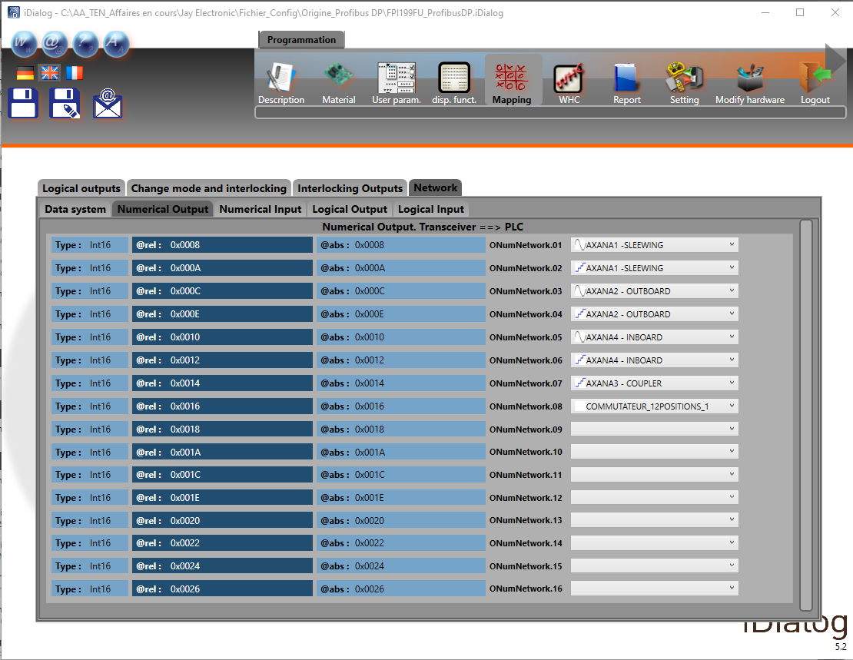
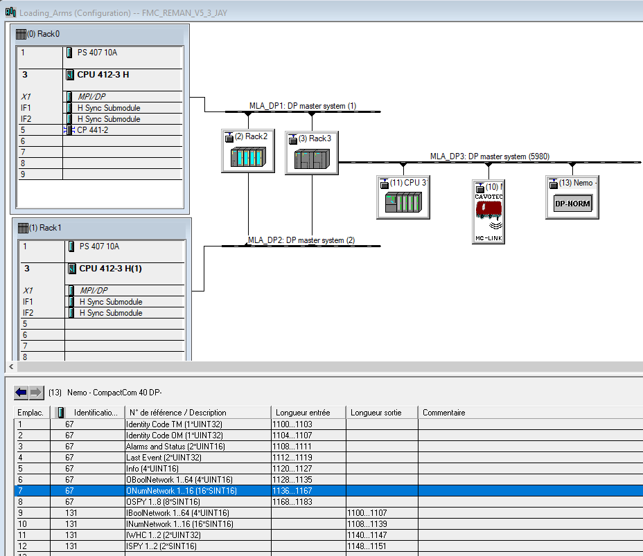

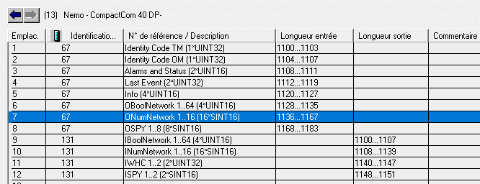



 |  |  |  |  |  |  |  |  |  | Entrée PLC configurée ds HW |  |  | 1136

 |  |  |  |  |  |  |  | Radio action | bit | PLC description |  |  | Input number |  | Type
 |  |  | Valeurs: |  |  |  |  | AXANA1 - SLEWING | 0 | ONumNetwork.01 |  | E | 1136 | .0 | Int (16) |  | 1 Byte |  |  | 1er Word
 |  |  |  | -100 | Mouvement de Slewing à gauche |  |  |  | 1 |  |  | E | 1136 | .1
 |  |  |  | 0 | Aucun mouvement |  |  |  | 2 |  |  | E | 1136 | .2
 |  |  |  | 100 | Mouvement de Slewing à droite |  |  |  | 3 |  |  | E | 1136 | .3
 |  |  |  |  |  |  |  |  | 4 |  |  | E | 1136 | .4 |  | [EB | 1136 | ]
 |  |  |  |  |  |  |  |  | 5 |  |  | E | 1136 | .5
 |  |  |  |  |  |  |  |  | 6 |  |  | E | 1136 | .6
 |  |  |  |  |  |  |  |  | 7 |  |  | E | 1136 | .7
 |  |  |  |  |  |  |  |  |  |  |  |  |  |  |  |  |  |  | [EW | 1136 | ]
 |  |  |  |  |  |  |  |  | 8 |  |  | E | 1137 | .0 |  |  | 1 Byte
 |  |  |  |  |  |  |  |  | 9 |  |  | E | 1137 | .1
 |  |  |  |  |  |  |  |  | 10 |  |  | E | 1137 | .2
 |  |  |  |  |  |  |  |  | 11 |  |  | E | 1137 | .3
 |  |  |  |  |  |  |  |  | 12 |  |  | E | 1137 | .4 |  | [EB | 1137 | ]
 |  |  |  |  |  |  |  |  | 13 |  |  | E | 1137 | .5
 |  |  |  |  |  |  |  |  | 14 |  |  | E | 1137 | .6
 |  |  |  |  |  |  |  |  | 15 |  |  | E | 1137 | .7

 |  |  |  |  |  |  |  | AXANA1 - SLEWING | 0 | ONumNetwork.02 |  | E | 1138 | .0 | Int (16) |  | 1 Byte |  |  | 2ème Word
 |  |  | Valeurs: |  |  |  |  |  | 1 |  |  | E | 1138 | .1
 |  |  |  | 2 | Mouvement de Slewing à gauche |  |  |  | 2 |  |  | E | 1138 | .2
 |  |  |  | 6 | Aucun mouvement |  |  |  | 3 |  |  | E | 1138 | .3
 |  |  |  | 10 | Mouvement de Slewing à droite |  |  |  | 4 |  |  | E | 1138 | .4 |  | [EB | 1138 | ]
 |  |  |  |  |  |  |  |  | 5 |  |  | E | 1138 | .5
 |  |  |  |  |  |  |  |  | 6 |  |  | E | 1138 | .6
 |  |  |  |  |  |  |  |  | 7 |  |  | E | 1138 | .7
 |  |  |  |  |  |  |  |  |  |  |  |  |  |  |  |  |  |  | [EW | 1138 | ]
 |  |  |  |  |  |  |  |  | 8 |  |  | E | 1139 | .0 |  |  | 1 Byte
 |  |  |  |  |  |  |  |  | 9 |  |  | E | 1139 | .1
 |  |  |  |  |  |  |  |  | 10 |  |  | E | 1139 | .2
 |  |  |  |  |  |  |  |  | 11 |  |  | E | 1139 | .3
 |  |  |  |  |  |  |  |  | 12 |  |  | E | 1139 | .4 |  | [EB | 1139 | ]
 |  |  |  |  |  |  |  |  | 13 |  |  | E | 1139 | .5
 |  |  |  |  |  |  |  |  | 14 |  |  | E | 1139 | .6
 |  |  |  |  |  |  |  |  | 15 |  |  | E | 1139 | .7

 |  |  |  |  |  |  |  | AXANA2 - OUTBOARD | 0 | ONumNetwork.03 |  | E | 1140 | .0 | Int (16) |  | 1 Byte |  |  | 3ème Word
 |  |  | Valeurs: |  |  |  |  |  | 1 |  |  | E | 1140 | .1
 |  |  |  | -100 | Mouvement d'Outboard IN |  |  |  | 2 |  |  | E | 1140 | .2
 |  |  |  | 0 | Aucun mouvement |  |  |  | 3 |  |  | E | 1140 | .3
 |  |  |  | 100 | Mouvement d'Outboard OUT |  |  |  | 4 |  |  | E | 1140 | .4 |  | [EB | 1140 | ]
 |  |  |  |  |  |  |  |  | 5 |  |  | E | 1140 | .5
 |  |  |  |  |  |  |  |  | 6 |  |  | E | 1140 | .6
 |  |  |  |  |  |  |  |  | 7 |  |  | E | 1140 | .7
 |  |  |  |  |  |  |  |  |  |  |  |  |  |  |  |  |  |  | [EW | 1140 | ]
 |  |  |  |  |  |  |  |  | 8 |  |  | E | 1141 | .0 |  |  | 1 Byte
 |  |  |  |  |  |  |  |  | 9 |  |  | E | 1141 | .1
 |  |  |  |  |  |  |  |  | 10 |  |  | E | 1141 | .2
 |  |  |  |  |  |  |  |  | 11 |  |  | E | 1141 | .3
 |  |  |  |  |  |  |  |  | 12 |  |  | E | 1141 | .4 |  | [EB | 1141 | ]
 |  |  |  |  |  |  |  |  | 13 |  |  | E | 1141 | .5
 |  |  |  |  |  |  |  |  | 14 |  |  | E | 1141 | .6
 |  |  |  |  |  |  |  |  | 15 |  |  | E | 1141 | .7

 |  |  |  |  |  |  |  | AXANA2 - OUTBOARD | 0 | ONumNetwork.04 |  | E | 1142 | .0 | Int (16) |  | 1 Byte |  |  | 4ème Word
 |  |  | Valeurs: |  |  |  |  |  | 1 |  |  | E | 1142 | .1
 |  |  |  | 2 | Mouvement d'Outboard IN |  |  |  | 2 |  |  | E | 1142 | .2
 |  |  |  | 6 | Aucun mouvement |  |  |  | 3 |  |  | E | 1142 | .3
 |  |  |  | 10 | Mouvement d'Outboard OUT |  |  |  | 4 |  |  | E | 1142 | .4 |  | [EB | 1142 | ]
 |  |  |  |  |  |  |  |  | 5 |  |  | E | 1142 | .5
 |  |  |  |  |  |  |  |  | 6 |  |  | E | 1142 | .6
 |  |  |  |  |  |  |  |  | 7 |  |  | E | 1142 | .7
 |  |  |  |  |  |  |  |  |  |  |  |  |  |  |  |  |  |  | [EW | 1142 | ]
 |  |  |  |  |  |  |  |  | 8 |  |  | E | 1143 | .0 |  |  | 1 Byte
 |  |  |  |  |  |  |  |  | 9 |  |  | E | 1143 | .1
 |  |  |  |  |  |  |  |  | 10 |  |  | E | 1143 | .2
 |  |  |  |  |  |  |  |  | 11 |  |  | E | 1143 | .3
 |  |  |  |  |  |  |  |  | 12 |  |  | E | 1143 | .4 |  | [EB | 1143 | ]
 |  |  |  |  |  |  |  |  | 13 |  |  | E | 1143 | .5
 |  |  |  |  |  |  |  |  | 14 |  |  | E | 1143 | .6
 |  |  |  |  |  |  |  |  | 15 |  |  | E | 1143 | .7

 |  |  |  |  |  |  |  | AXANA4 - INBOARD | 0 | ONumNetwork.05 |  | E | 1144 | .0 | Int (16) |  | 1 Byte |  |  | 5ème Word
 |  |  | Valeurs: |  |  |  |  |  | 1 |  |  | E | 1144 | .1
 |  |  |  | -100 | Mouvement d'Inboard BACK |  |  |  | 2 |  |  | E | 1144 | .2
 |  |  |  | 0 | Aucun mouvement |  |  |  | 3 |  |  | E | 1144 | .3
 |  |  |  | 100 | Mouvement d'Inboard FORWARD |  |  |  | 4 |  |  | E | 1144 | .4 |  | [EB | 1144 | ]
 |  |  |  |  |  |  |  |  | 5 |  |  | E | 1144 | .5
 |  |  |  |  |  |  |  |  | 6 |  |  | E | 1144 | .6
 |  |  |  |  |  |  |  |  | 7 |  |  | E | 1144 | .7
 |  |  |  |  |  |  |  |  |  |  |  |  |  |  |  |  |  |  | [EW | 1144 | ]
 |  |  |  |  |  |  |  |  | 8 |  |  | E | 1145 | .0 |  |  | 1 Byte
 |  |  |  |  |  |  |  |  | 9 |  |  | E | 1145 | .1
 |  |  |  |  |  |  |  |  | 10 |  |  | E | 1145 | .2
 |  |  |  |  |  |  |  |  | 11 |  |  | E | 1145 | .3
 |  |  |  |  |  |  |  |  | 12 |  |  | E | 1145 | .4 |  | [EB | 1145 | ]
 |  |  |  |  |  |  |  |  | 13 |  |  | E | 1145 | .5
 |  |  |  |  |  |  |  |  | 14 |  |  | E | 1145 | .6
 |  |  |  |  |  |  |  |  | 15 |  |  | E | 1145 | .7

 |  |  |  |  |  |  |  | AXANA4 - INBOARD | 0 | ONumNetwork.06 |  | E | 1146 | .0 | Int (16) |  | 1 Byte |  |  | 6ème Word
 |  |  | Valeurs: |  |  |  |  |  | 1 |  |  | E | 1146 | .1
 |  |  |  | 2 | Mouvement d'Inboard BACK |  |  |  | 2 |  |  | E | 1146 | .2
 |  |  |  | 6 | Aucun mouvement |  |  |  | 3 |  |  | E | 1146 | .3
 |  |  |  | 10 | Mouvement d'Inboard FORWARD |  |  |  | 4 |  |  | E | 1146 | .4 |  | [EB | 1146 | ]
 |  |  |  |  |  |  |  |  | 5 |  |  | E | 1146 | .5
 |  |  |  |  |  |  |  |  | 6 |  |  | E | 1146 | .6
 |  |  |  |  |  |  |  |  | 7 |  |  | E | 1146 | .7
 |  |  |  |  |  |  |  |  |  |  |  |  |  |  |  |  |  |  | [EW | 1146 | ]
 |  |  |  |  |  |  |  |  | 8 |  |  | E | 1147 | .0 |  |  | 1 Byte
 |  |  |  |  |  |  |  |  | 9 |  |  | E | 1147 | .1
 |  |  |  |  |  |  |  |  | 10 |  |  | E | 1147 | .2
 |  |  |  |  |  |  |  |  | 11 |  |  | E | 1147 | .3
 |  |  |  |  |  |  |  |  | 12 |  |  | E | 1147 | .4 |  | [EB | 1147 | ]
 |  |  |  |  |  |  |  |  | 13 |  |  | E | 1147 | .5
 |  |  |  |  |  |  |  |  | 14 |  |  | E | 1147 | .6
 |  |  |  |  |  |  |  |  | 15 |  |  | E | 1147 | .7

 |  |  |  |  |  |  |  | AXANA3 - COUPLER | 0 | ONumNetwork.07 |  | E | 1148 | .0 | Int (16) |  | 1 Byte |  |  | 7ème Word
 |  |  | Valeurs: |  |  |  |  |  | 1 |  |  | E | 1148 | .1
 |  |  |  | 5 | Ordre de fermeture du coupleur |  |  |  | 2 |  |  | E | 1148 | .2
 |  |  |  | 6 | Aucun mouvement |  |  |  | 3 |  |  | E | 1148 | .3
 |  |  |  | 7 | Ordre d'ouverture du coupleur |  |  |  | 4 |  |  | E | 1148 | .4 |  | [EB | 1148 | ]
 |  |  |  |  |  |  |  |  | 5 |  |  | E | 1148 | .5
 |  |  |  |  |  |  |  |  | 6 |  |  | E | 1148 | .6
 |  |  |  |  |  |  |  |  | 7 |  |  | E | 1148 | .7
 |  |  |  |  |  |  |  |  |  |  |  |  |  |  |  |  |  |  | [EW | 1148 | ]
 |  |  |  |  |  |  |  |  | 8 |  |  | E | 1149 | .0 |  |  | 1 Byte
 |  |  |  |  |  |  |  |  | 9 |  |  | E | 1149 | .1
 |  |  |  |  |  |  |  |  | 10 |  |  | E | 1149 | .2
 |  |  |  |  |  |  |  |  | 11 |  |  | E | 1149 | .3
 |  |  |  |  |  |  |  |  | 12 |  |  | E | 1149 | .4 |  | [EB | 1149 | ]
 |  |  |  |  |  |  |  |  | 13 |  |  | E | 1149 | .5
 |  |  |  |  |  |  |  |  | 14 |  |  | E | 1149 | .6
 |  |  |  |  |  |  |  |  | 15 |  |  | E | 1149 | .7

 |  |  |  |  |  |  |  | COMMUTATEUR_12POSITIONS_1 | 0 | ONumNetwork.08 |  | E | 1150 | .0 | Int (16) |  | 1 Byte |  |  | 8ème Word
 |  |  | Valeurs: |  |  |  |  |  | 1 |  |  | E | 1150 | .1
 |  |  |  | 1 | Bras nr | 1 | sélectionné |  | 2 |  |  | E | 1150 | .2
 |  |  |  | 2 | Bras nr | 2 | sélectionné |  | 3 |  |  | E | 1150 | .3
 |  |  |  | 3 | Bras nr | 3 | sélectionné |  | 4 |  |  | E | 1150 | .4 |  | [EB | 1150 | ]
 |  |  |  | 4 | Bras nr | 4 | sélectionné |  | 5 |  |  | E | 1150 | .5
 |  |  |  | 5 | Bras nr | 5 | sélectionné |  | 6 |  |  | E | 1150 | .6
 |  |  |  | 6 | Bras nr | 6 | sélectionné |  | 7 |  |  | E | 1150 | .7
 |  |  |  | 7 | Bras nr | 7 | sélectionné |  |  |  |  |  |  |  |  |  |  |  | [EW | 1150 | ]
 |  |  |  | 8 | Bras nr | 8 | sélectionné |  | 8 |  |  | E | 1151 | .0 |  |  | 1 Byte
 |  |  |  | 9 | Bras nr | 9 | sélectionné |  | 9 |  |  | E | 1151 | .1
 |  |  |  | 10 | Bras nr | 10 | sélectionné |  | 10 |  |  | E | 1151 | .2
 |  |  |  |  |  |  |  |  | 11 |  |  | E | 1151 | .3
 |  |  |  |  |  |  |  |  | 12 |  |  | E | 1151 | .4 |  | [EB | 1151 | ]
 |  |  |  |  |  |  |  |  | 13 |  |  | E | 1151 | .5
 |  |  |  |  |  |  |  |  | 14 |  |  | E | 1151 | .6
 |  |  |  |  |  |  |  |  | 15 |  |  | E | 1151 | .7

 |  |  |  |  |  |  |  | SPARE_09 | 0 | ONumNetwork.09 |  | E | 1152 | .0 | Int (16) |  | 1 Byte |  |  | 9ème Word
 |  |  |  |  |  |  |  |  | 1 |  |  | E | 1152 | .1
 |  |  |  |  |  |  |  |  | 2 |  |  | E | 1152 | .2
 |  |  |  |  |  |  |  |  | 3 |  |  | E | 1152 | .3
 |  |  |  |  |  |  |  |  | 4 |  |  | E | 1152 | .4 |  | [EB | 1152 | ]
 |  |  |  |  |  |  |  |  | 5 |  |  | E | 1152 | .5
 |  |  |  |  |  |  |  |  | 6 |  |  | E | 1152 | .6
 |  |  |  |  |  |  |  |  | 7 |  |  | E | 1152 | .7
 |  |  |  |  |  |  |  |  |  |  |  |  |  |  |  |  |  |  | [EW | 1152 | ]
 |  |  |  |  |  |  |  |  | 8 |  |  | E | 1153 | .0 |  |  | 1 Byte
 |  |  |  |  |  |  |  |  | 9 |  |  | E | 1153 | .1
 |  |  |  |  |  |  |  |  | 10 |  |  | E | 1153 | .2
 |  |  |  |  |  |  |  |  | 11 |  |  | E | 1153 | .3
 |  |  |  |  |  |  |  |  | 12 |  |  | E | 1153 | .4 |  | [EB | 1153 | ]
 |  |  |  |  |  |  |  |  | 13 |  |  | E | 1153 | .5
 |  |  |  |  |  |  |  |  | 14 |  |  | E | 1153 | .6
 |  |  |  |  |  |  |  |  | 15 |  |  | E | 1153 | .7

 |  |  |  |  |  |  |  | SPARE_10 | 0 | ONumNetwork.10 |  | E | 1154 | .0 | Int (16) |  | 1 Byte |  |  | 10ème Word
 |  |  |  |  |  |  |  |  | 1 |  |  | E | 1154 | .1
 |  |  |  |  |  |  |  |  | 2 |  |  | E | 1154 | .2
 |  |  |  |  |  |  |  |  | 3 |  |  | E | 1154 | .3
 |  |  |  |  |  |  |  |  | 4 |  |  | E | 1154 | .4 |  | [EB | 1154 | ]
 |  |  |  |  |  |  |  |  | 5 |  |  | E | 1154 | .5
 |  |  |  |  |  |  |  |  | 6 |  |  | E | 1154 | .6
 |  |  |  |  |  |  |  |  | 7 |  |  | E | 1154 | .7
 |  |  |  |  |  |  |  |  |  |  |  |  |  |  |  |  |  |  | [EW | 1154 | ]
 |  |  |  |  |  |  |  |  | 8 |  |  | E | 1155 | .0 |  |  | 1 Byte
 |  |  |  |  |  |  |  |  | 9 |  |  | E | 1155 | .1
 |  |  |  |  |  |  |  |  | 10 |  |  | E | 1155 | .2
 |  |  |  |  |  |  |  |  | 11 |  |  | E | 1155 | .3
 |  |  |  |  |  |  |  |  | 12 |  |  | E | 1155 | .4 |  | [EB | 1155 | ]
 |  |  |  |  |  |  |  |  | 13 |  |  | E | 1155 | .5
 |  |  |  |  |  |  |  |  | 14 |  |  | E | 1155 | .6
 |  |  |  |  |  |  |  |  | 15 |  |  | E | 1155 | .7

 |  |  |  |  |  |  |  | SPARE_11 | 0 | ONumNetwork.11 |  | E | 1156 | .0 | Int (16) |  | 1 Byte |  |  | 11ème Word
 |  |  |  |  |  |  |  |  | 1 |  |  | E | 1156 | .1
 |  |  |  |  |  |  |  |  | 2 |  |  | E | 1156 | .2
 |  |  |  |  |  |  |  |  | 3 |  |  | E | 1156 | .3
 |  |  |  |  |  |  |  |  | 4 |  |  | E | 1156 | .4 |  | [EB | 1156 | ]
 |  |  |  |  |  |  |  |  | 5 |  |  | E | 1156 | .5
 |  |  |  |  |  |  |  |  | 6 |  |  | E | 1156 | .6
 |  |  |  |  |  |  |  |  | 7 |  |  | E | 1156 | .7
 |  |  |  |  |  |  |  |  |  |  |  |  |  |  |  |  |  |  | [EW | 1156 | ]
 |  |  |  |  |  |  |  |  | 8 |  |  | E | 1157 | .0 |  |  | 1 Byte
 |  |  |  |  |  |  |  |  | 9 |  |  | E | 1157 | .1
 |  |  |  |  |  |  |  |  | 10 |  |  | E | 1157 | .2
 |  |  |  |  |  |  |  |  | 11 |  |  | E | 1157 | .3
 |  |  |  |  |  |  |  |  | 12 |  |  | E | 1157 | .4 |  | [EB | 1157 | ]
 |  |  |  |  |  |  |  |  | 13 |  |  | E | 1157 | .5
 |  |  |  |  |  |  |  |  | 14 |  |  | E | 1157 | .6
 |  |  |  |  |  |  |  |  | 15 |  |  | E | 1157 | .7

 |  |  |  |  |  |  |  | SPARE_12 | 0 | ONumNetwork.12 |  | E | 1158 | .0 | Int (16) |  | 1 Byte |  |  | 12ème Word
 |  |  |  |  |  |  |  |  | 1 |  |  | E | 1158 | .1
 |  |  |  |  |  |  |  |  | 2 |  |  | E | 1158 | .2
 |  |  |  |  |  |  |  |  | 3 |  |  | E | 1158 | .3
 |  |  |  |  |  |  |  |  | 4 |  |  | E | 1158 | .4 |  | [EB | 1158 | ]
 |  |  |  |  |  |  |  |  | 5 |  |  | E | 1158 | .5
 |  |  |  |  |  |  |  |  | 6 |  |  | E | 1158 | .6
 |  |  |  |  |  |  |  |  | 7 |  |  | E | 1158 | .7
 |  |  |  |  |  |  |  |  |  |  |  |  |  |  |  |  |  |  | [EW | 1158 | ]
 |  |  |  |  |  |  |  |  | 8 |  |  | E | 1159 | .0 |  |  | 1 Byte
 |  |  |  |  |  |  |  |  | 9 |  |  | E | 1159 | .1
 |  |  |  |  |  |  |  |  | 10 |  |  | E | 1159 | .2
 |  |  |  |  |  |  |  |  | 11 |  |  | E | 1159 | .3
 |  |  |  |  |  |  |  |  | 12 |  |  | E | 1159 | .4 |  | [EB | 1159
 |  |  |  |  |  |  |  |  | 13 |  |  | E | 1159 | .5
 |  |  |  |  |  |  |  |  | 14 |  |  | E | 1159 | .6
 |  |  |  |  |  |  |  |  | 15 |  |  | E | 1159 | .7

 |  |  |  |  |  |  |  | SPARE_13 | 0 | ONumNetwork.13 |  | E | 1160 | .0 | Int (16) |  | 1 Byte |  |  | 13ème Word
 |  |  |  |  |  |  |  |  | 1 |  |  | E | 1160 | .1
 |  |  |  |  |  |  |  |  | 2 |  |  | E | 1160 | .2
 |  |  |  |  |  |  |  |  | 3 |  |  | E | 1160 | .3
 |  |  |  |  |  |  |  |  | 4 |  |  | E | 1160 | .4 |  | [EB | 1160 | ]
 |  |  |  |  |  |  |  |  | 5 |  |  | E | 1160 | .5
 |  |  |  |  |  |  |  |  | 6 |  |  | E | 1160 | .6
 |  |  |  |  |  |  |  |  | 7 |  |  | E | 1160 | .7
 |  |  |  |  |  |  |  |  |  |  |  |  |  |  |  |  |  |  | [EW | 1160 | ]
 |  |  |  |  |  |  |  |  | 8 |  |  | E | 1161 | .0 |  |  | 1 Byte
 |  |  |  |  |  |  |  |  | 9 |  |  | E | 1161 | .1
 |  |  |  |  |  |  |  |  | 10 |  |  | E | 1161 | .2
 |  |  |  |  |  |  |  |  | 11 |  |  | E | 1161 | .3
 |  |  |  |  |  |  |  |  | 12 |  |  | E | 1161 | .4 |  | [EB | 1161 | ]
 |  |  |  |  |  |  |  |  | 13 |  |  | E | 1161 | .5
 |  |  |  |  |  |  |  |  | 14 |  |  | E | 1161 | .6
 |  |  |  |  |  |  |  |  | 15 |  |  | E | 1161 | .7

 |  |  |  |  |  |  |  | SPARE_14 | 0 | ONumNetwork.14 |  | E | 1162 | .0 | Int (16) |  | 1 Byte |  |  | 14ème Word
 |  |  |  |  |  |  |  |  | 1 |  |  | E | 1162 | .1
 |  |  |  |  |  |  |  |  | 2 |  |  | E | 1162 | .2
 |  |  |  |  |  |  |  |  | 3 |  |  | E | 1162 | .3
 |  |  |  |  |  |  |  |  | 4 |  |  | E | 1162 | .4 |  | [EB | 1162 | ]
 |  |  |  |  |  |  |  |  | 5 |  |  | E | 1162 | .5
 |  |  |  |  |  |  |  |  | 6 |  |  | E | 1162 | .6
 |  |  |  |  |  |  |  |  | 7 |  |  | E | 1162 | .7
 |  |  |  |  |  |  |  |  |  |  |  |  |  |  |  |  |  |  | [EW | 1162 | ]
 |  |  |  |  |  |  |  |  | 8 |  |  | E | 1163 | .0 |  |  | 1 Byte
 |  |  |  |  |  |  |  |  | 9 |  |  | E | 1163 | .1
 |  |  |  |  |  |  |  |  | 10 |  |  | E | 1163 | .2
 |  |  |  |  |  |  |  |  | 11 |  |  | E | 1163 | .3
 |  |  |  |  |  |  |  |  | 12 |  |  | E | 1163 | .4 |  | [EB | 1163 | ]
 |  |  |  |  |  |  |  |  | 13 |  |  | E | 1163 | .5
 |  |  |  |  |  |  |  |  | 14 |  |  | E | 1163 | .6
 |  |  |  |  |  |  |  |  | 15 |  |  | E | 1163 | .7

 |  |  |  |  |  |  |  | SPARE_15 | 0 | ONumNetwork.15 |  | E | 1164 | .0 | Int (16) |  | 1 Byte |  |  | 15ème Word
 |  |  |  |  |  |  |  |  | 1 |  |  | E | 1164 | .1
 |  |  |  |  |  |  |  |  | 2 |  |  | E | 1164 | .2
 |  |  |  |  |  |  |  |  | 3 |  |  | E | 1164 | .3
 |  |  |  |  |  |  |  |  | 4 |  |  | E | 1164 | .4 |  | [EB | 1164 | ]
 |  |  |  |  |  |  |  |  | 5 |  |  | E | 1164 | .5
 |  |  |  |  |  |  |  |  | 6 |  |  | E | 1164 | .6
 |  |  |  |  |  |  |  |  | 7 |  |  | E | 1164 | .7
 |  |  |  |  |  |  |  |  |  |  |  |  |  |  |  |  |  |  | [EW | 1164 | ]
 |  |  |  |  |  |  |  |  | 8 |  |  | E | 1165 | .0 |  |  | 1 Byte
 |  |  |  |  |  |  |  |  | 9 |  |  | E | 1165 | .1
 |  |  |  |  |  |  |  |  | 10 |  |  | E | 1165 | .2
 |  |  |  |  |  |  |  |  | 11 |  |  | E | 1165 | .3
 |  |  |  |  |  |  |  |  | 12 |  |  | E | 1165 | .4 |  | [EB | 1165 | ]
 |  |  |  |  |  |  |  |  | 13 |  |  | E | 1165 | .5
 |  |  |  |  |  |  |  |  | 14 |  |  | E | 1165 | .6
 |  |  |  |  |  |  |  |  | 15 |  |  | E | 1165 | .7

 |  |  |  |  |  |  |  | SPARE_16 | 0 | ONumNetwork.16 |  | E | 1166 | .0 | Int (16) |  | 1 Byte |  |  | 16ème Word
 |  |  |  |  |  |  |  |  | 1 |  |  | E | 1166 | .1
 |  |  |  |  |  |  |  |  | 2 |  |  | E | 1166 | .2
 |  |  |  |  |  |  |  |  | 3 |  |  | E | 1166 | .3
 |  |  |  |  |  |  |  |  | 4 |  |  | E | 1166 | .4 |  | [EB | 1166 | ]
 |  |  |  |  |  |  |  |  | 5 |  |  | E | 1166 | .5
 |  |  |  |  |  |  |  |  | 6 |  |  | E | 1166 | .6
 |  |  |  |  |  |  |  |  | 7 |  |  | E | 1166 | .7
 |  |  |  |  |  |  |  |  |  |  |  |  |  |  |  |  |  |  | [EW | 1166 | ]
 |  |  |  |  |  |  |  |  | 8 |  |  | E | 1167 | .0 |  |  | 1 Byte
 |  |  |  |  |  |  |  |  | 9 |  |  | E | 1167 | .1
 |  |  |  |  |  |  |  |  | 10 |  |  | E | 1167 | .2
 |  |  |  |  |  |  |  |  | 11 |  |  | E | 1167 | .3
 |  |  |  |  |  |  |  |  | 12 |  |  | E | 1167 | .4 |  | [EB | 1167 | ]
 |  |  |  |  |  |  |  |  | 13 |  |  | E | 1167 | .5
 |  |  |  |  |  |  |  |  | 14 |  |  | E | 1167 | .6
 |  |  |  |  |  |  |  |  | 15 |  |  | E | 1167 | .7

Num. input.PLC->Transceiver
Project : | Tests_Jay_Nemo_MOKA
Customer : | T.EN

Document nr : | /

iDialog software |  |  |  |  |  |  |  |  | STEP7 Siemens software
 | backup filename: | FPI199FU_ProfibusDP(WHC_V2) |  |  |  |  |  |  |  | project name: |  | FMC_REMAN_V5_3_JAY

 | Programmation |  |  |  |  |  |  |  |  | Programmation
 |  | Mapping |  |  |  |  |  |  |  |  |  | Hardware

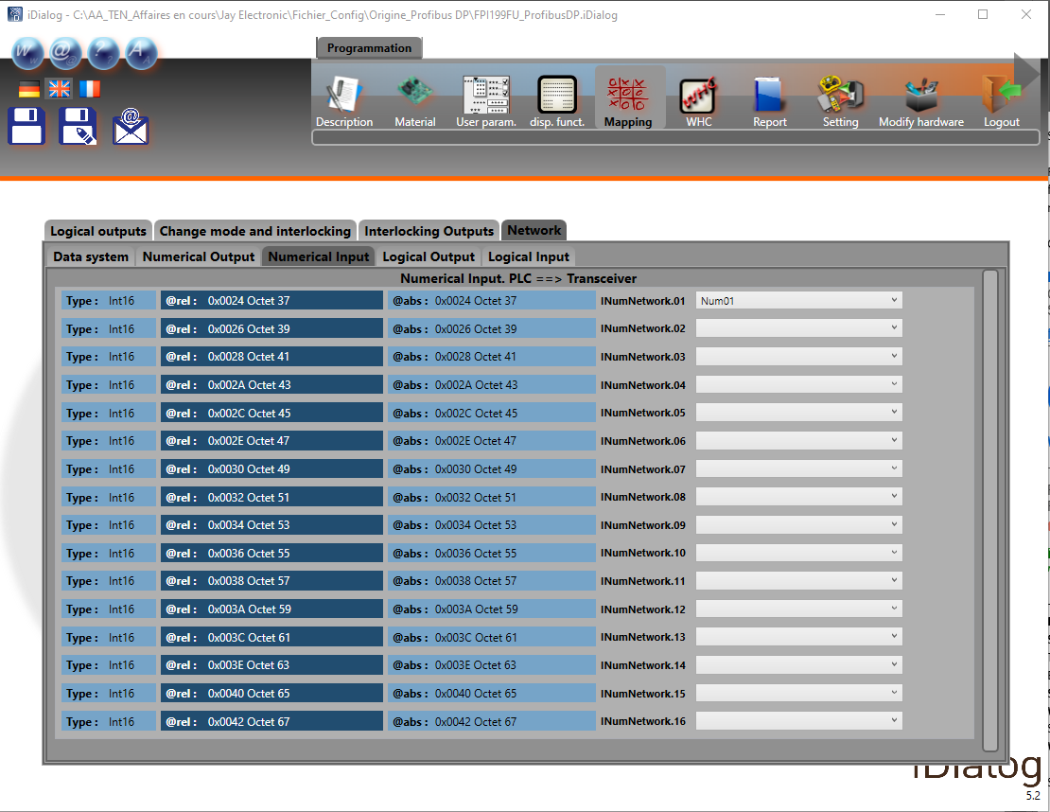
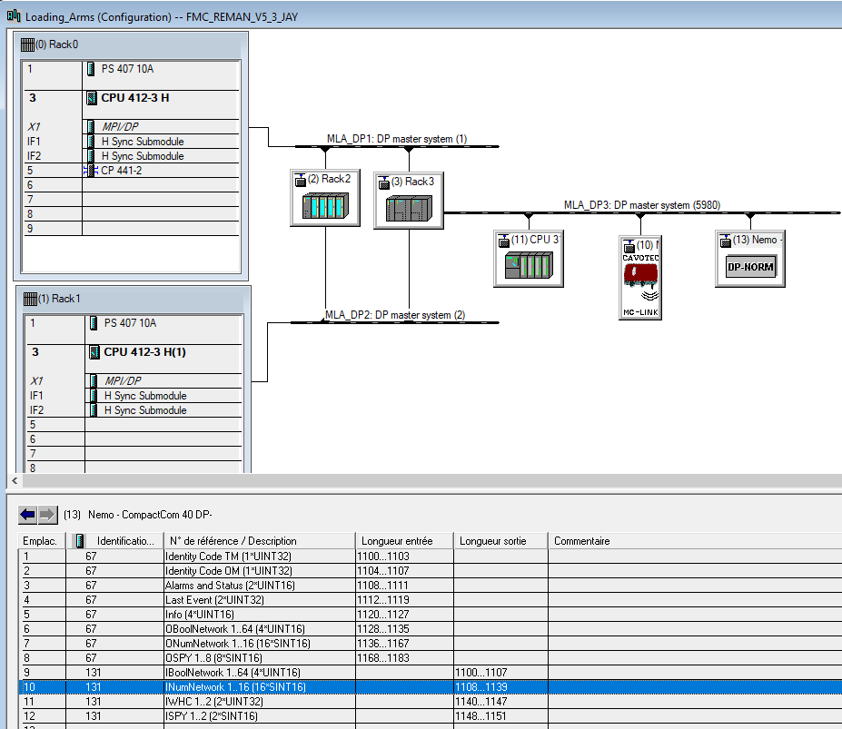

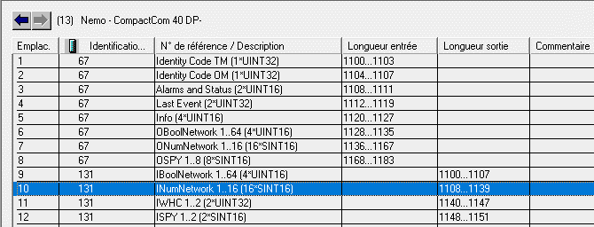

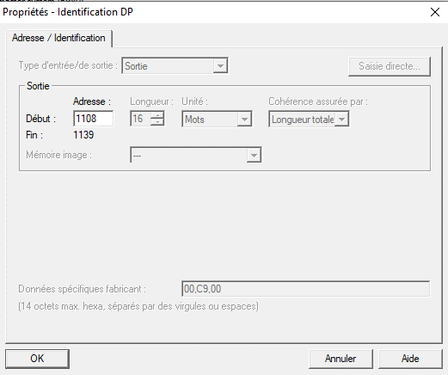

 |  |  |  |  |  |  |  |  | Sortie PLC configurée ds HW |  |  | 1108

 |  |  |  |  |  | Radio action | bit | N° | PLC description |  |  | Input number |  | Type
 |  |  |  |  |  | Num01 | 0 | 0 | INumNetwork.01 |  | A | 1108 | .0 | Int (16) |  | 1 Byte |  |  | 1er Word
 |  |  |  |  |  |  | 1 | 1 |  |  | A | 1108 | .1
 |  |  |  |  |  |  | 2 | 2 |  |  | A | 1108 | .2
 |  |  |  |  |  |  | 3 | 3 |  |  | A | 1108 | .3
 |  |  |  |  |  |  | 4 | 4 |  |  | A | 1108 | .4 |  | [AB | 1108 | ]
 |  |  |  |  |  |  | 5 | 5 |  |  | A | 1108 | .5
 |  |  |  |  |  |  | 6 | 6 |  |  | A | 1108 | .6
 |  |  |  |  |  |  | 7 | 7 |  |  | A | 1108 | .7
 |  |  |  |  |  |  |  |  |  |  |  |  |  |  |  |  |  | [AW | 1108 | ]
 |  |  |  |  |  |  | 0 | 8 |  |  | A | 1109 | .0 |  |  | 1 Byte
 |  |  |  |  |  |  | 1 | 9 |  |  | A | 1109 | .1
 |  |  |  |  |  |  | 2 | 10 |  |  | A | 1109 | .2
 |  |  |  |  |  |  | 3 | 11 |  |  | A | 1109 | .3
 |  |  |  |  |  |  | 4 | 12 |  |  | A | 1109 | .4 |  | [AB | 1109 | ]
 |  |  |  |  |  |  | 5 | 13 |  |  | A | 1109 | .5
 |  |  |  |  |  |  | 6 | 14 |  |  | A | 1109 | .6
 |  |  |  |  |  |  | 7 | 15 |  |  | A | 1109 | .7

 |  |  | Retour d'information sur état pompe hydraulique |  |  | Num02 | 0 | 16 | INumNetwork.02 |  | A | 1110 | .0 | Int (16) |  | 1 Byte |  |  | 2ème Word
 |  |  |  |  |  |  | 1 | 17 |  |  | A | 1110 | .1
 |  |  | Valeurs: | 1 | Stop pompe |  | 2 | 18 |  |  | A | 1110 | .2
 |  |  |  | 2 | Marche pompe |  | 3 | 19 |  |  | A | 1110 | .3
 |  |  |  | 3 | Défaut pompe |  | 4 | 20 |  |  | A | 1110 | .4 |  | [AB | 1110 | ]
 |  |  |  | 4 | Défaut température huile |  | 5 | 21 |  |  | A | 1110 | .5
 |  |  |  | 5 | Défaut niveau huile |  | 6 | 22 |  |  | A | 1110 | .6
 |  |  |  | 6 | Défaut capteur proximité |  | 7 | 23 |  |  | A | 1110 | .7
 |  |  |  | 7 | Défaut PLC |  |  |  |  |  |  |  |  |  |  |  |  | [AW | 1110 | ]
 |  |  |  |  |  |  | 0 | 24 |  |  | A | 1111 | .0 |  |  | 1 Byte
 |  |  |  |  |  |  | 1 | 25 |  |  | A | 1111 | .1
 |  |  |  |  |  |  | 2 | 26 |  |  | A | 1111 | .2
 |  |  |  |  |  |  | 3 | 27 |  |  | A | 1111 | .3
 |  |  |  |  |  |  | 4 | 28 |  |  | A | 1111 | .4 |  | [AB | 1111 | ]
 |  |  |  |  |  |  | 5 | 29 |  |  | A | 1111 | .5
 |  |  |  |  |  |  | 6 | 30 |  |  | A | 1111 | .6
 |  |  |  |  |  |  | 7 | 31 |  |  | A | 1111 | .7

 |  |  |  |  |  | Spare_03 | 0 | 32 | INumNetwork.03 |  | A | 1112 | .0 | Int (16) |  | 1 Byte |  |  | 3ème Word
 |  |  |  |  |  |  | 1 | 33 |  |  | A | 1112 | .1
 |  |  |  |  |  |  | 2 | 34 |  |  | A | 1112 | .2
 |  |  |  |  |  |  | 3 | 35 |  |  | A | 1112 | .3
 |  |  |  |  |  |  | 4 | 36 |  |  | A | 1112 | .4 |  | [AB | 1112 | ]
 |  |  |  |  |  |  | 5 | 37 |  |  | A | 1112 | .5
 |  |  |  |  |  |  | 6 | 38 |  |  | A | 1112 | .6
 |  |  |  |  |  |  | 7 | 39 |  |  | A | 1112 | .7
 |  |  |  |  |  |  |  |  |  |  |  |  |  |  |  |  |  | [AW | 1112 | ]
 |  |  |  |  |  |  | 0 | 40 |  |  | A | 1113 | .0 |  |  | 1 Byte
 |  |  |  |  |  |  | 1 | 41 |  |  | A | 1113 | .1
 |  |  |  |  |  |  | 2 | 42 |  |  | A | 1113 | .2
 |  |  |  |  |  |  | 3 | 43 |  |  | A | 1113 | .3
 |  |  |  |  |  |  | 4 | 44 |  |  | A | 1113 | .4 |  | [AB | 1113 | ]
 |  |  |  |  |  |  | 5 | 45 |  |  | A | 1113 | .5
 |  |  |  |  |  |  | 6 | 46 |  |  | A | 1113 | .6
 |  |  |  |  |  |  | 7 | 47 |  |  | A | 1113 | .7

 |  |  |  |  |  | Spare_04 | 0 | 48 | INumNetwork.04 |  | A | 1114 | .0 | Int (16) |  | 1 Byte |  |  | 4ème Word
 |  |  |  |  |  |  | 1 | 49 |  |  | A | 1114 | .1
 |  |  |  |  |  |  | 2 | 50 |  |  | A | 1114 | .2
 |  |  |  |  |  |  | 3 | 51 |  |  | A | 1114 | .3
 |  |  |  |  |  |  | 4 | 52 |  |  | A | 1114 | .4 |  | [AB | 1114 | ]
 |  |  |  |  |  |  | 5 | 53 |  |  | A | 1114 | .5
 |  |  |  |  |  |  | 6 | 54 |  |  | A | 1114 | .6
 |  |  |  |  |  |  | 7 | 55 |  |  | A | 1114 | .7
 |  |  |  |  |  |  |  |  |  |  |  |  |  |  |  |  |  | [AW | 1114 | ]
 |  |  |  |  |  |  | 0 | 56 |  |  | A | 1115 | .0 |  |  | 1 Byte
 |  |  |  |  |  |  | 1 | 57 |  |  | A | 1115 | .1
 |  |  |  |  |  |  | 2 | 58 |  |  | A | 1115 | .2
 |  |  |  |  |  |  | 3 | 59 |  |  | A | 1115 | .3
 |  |  |  |  |  |  | 4 | 60 |  |  | A | 1115 | .4 |  | [AB | 1115 | ]
 |  |  |  |  |  |  | 5 | 61 |  |  | A | 1115 | .5
 |  |  |  |  |  |  | 6 | 62 |  |  | A | 1115 | .6
 |  |  |  |  |  |  | 7 | 63 |  |  | A | 1115 | .7

 |  |  |  |  |  | Spare_05 | 0 | 64 | INumNetwork.05 |  | A | 1116 | .0 | Int (16) |  | 1 Byte |  |  | 5ème Word
 |  |  |  |  |  |  | 1 | 65 |  |  | A | 1116 | .1
 |  |  |  |  |  |  | 2 | 66 |  |  | A | 1116 | .2
 |  |  |  |  |  |  | 3 | 67 |  |  | A | 1116 | .3
 |  |  |  |  |  |  | 4 | 68 |  |  | A | 1116 | .4 |  | [AB | 1116 | ]
 |  |  |  |  |  |  | 5 | 69 |  |  | A | 1116 | .5
 |  |  |  |  |  |  | 6 | 70 |  |  | A | 1116 | .6
 |  |  |  |  |  |  | 7 | 71 |  |  | A | 1116 | .7
 |  |  |  |  |  |  |  |  |  |  |  |  |  |  |  |  |  | [AW | 1116 | ]
 |  |  |  |  |  |  | 0 | 72 |  |  | A | 1117 | .0 |  |  | 1 Byte
 |  |  |  |  |  |  | 1 | 73 |  |  | A | 1117 | .1
 |  |  |  |  |  |  | 2 | 74 |  |  | A | 1117 | .2
 |  |  |  |  |  |  | 3 | 75 |  |  | A | 1117 | .3
 |  |  |  |  |  |  | 4 | 76 |  |  | A | 1117 | .4 |  | [AB | 1117 | ]
 |  |  |  |  |  |  | 5 | 77 |  |  | A | 1117 | .5
 |  |  |  |  |  |  | 6 | 78 |  |  | A | 1117 | .6
 |  |  |  |  |  |  | 7 | 79 |  |  | A | 1117 | .7

 |  |  |  |  |  | Spare_06 | 0 | 80 | INumNetwork.06 |  | A | 1118 | .0 | Int (16) |  | 1 Byte |  |  | 6ème Word
 |  |  |  |  |  |  | 1 | 81 |  |  | A | 1118 | .1
 |  |  |  |  |  |  | 2 | 82 |  |  | A | 1118 | .2
 |  |  |  |  |  |  | 3 | 83 |  |  | A | 1118 | .3
 |  |  |  |  |  |  | 4 | 84 |  |  | A | 1118 | .4 |  | [AB | 1118 | ]
 |  |  |  |  |  |  | 5 | 85 |  |  | A | 1118 | .5
 |  |  |  |  |  |  | 6 | 86 |  |  | A | 1118 | .6
 |  |  |  |  |  |  | 7 | 87 |  |  | A | 1118 | .7
 |  |  |  |  |  |  |  |  |  |  |  |  |  |  |  |  |  | [AW | 1118 | ]
 |  |  |  |  |  |  | 0 | 88 |  |  | A | 1119 | .0 |  |  | 1 Byte
 |  |  |  |  |  |  | 1 | 89 |  |  | A | 1119 | .1
 |  |  |  |  |  |  | 2 | 90 |  |  | A | 1119 | .2
 |  |  |  |  |  |  | 3 | 91 |  |  | A | 1119 | .3
 |  |  |  |  |  |  | 4 | 92 |  |  | A | 1119 | .4 |  | [AB | 1119 | ]
 |  |  |  |  |  |  | 5 | 93 |  |  | A | 1119 | .5
 |  |  |  |  |  |  | 6 | 94 |  |  | A | 1119 | .6
 |  |  |  |  |  |  | 7 | 95 |  |  | A | 1119 | .7

 |  |  |  |  |  | Spare_07 | 0 | 96 | INumNetwork.07 |  | A | 1120 | .0 | Int (16) |  | 1 Byte |  |  | 7ème Word
 |  |  |  |  |  |  | 1 | 97 |  |  | A | 1120 | .1
 |  |  |  |  |  |  | 2 | 98 |  |  | A | 1120 | .2
 |  |  |  |  |  |  | 3 | 99 |  |  | A | 1120 | .3
 |  |  |  |  |  |  | 4 | 100 |  |  | A | 1120 | .4 |  | [AB | 1120 | ]
 |  |  |  |  |  |  | 5 | 101 |  |  | A | 1120 | .5
 |  |  |  |  |  |  | 6 | 102 |  |  | A | 1120 | .6
 |  |  |  |  |  |  | 7 | 103 |  |  | A | 1120 | .7
 |  |  |  |  |  |  |  |  |  |  |  |  |  |  |  |  |  | [AW | 1120 | ]
 |  |  |  |  |  |  | 0 | 104 |  |  | A | 1121 | .0 |  |  | 1 Byte
 |  |  |  |  |  |  | 1 | 105 |  |  | A | 1121 | .1
 |  |  |  |  |  |  | 2 | 106 |  |  | A | 1121 | .2
 |  |  |  |  |  |  | 3 | 107 |  |  | A | 1121 | .3
 |  |  |  |  |  |  | 4 | 108 |  |  | A | 1121 | .4 |  | [AB | 1121 | ]
 |  |  |  |  |  |  | 5 | 109 |  |  | A | 1121 | .5
 |  |  |  |  |  |  | 6 | 110 |  |  | A | 1121 | .6
 |  |  |  |  |  |  | 7 | 111 |  |  | A | 1121 | .7

 |  |  |  |  |  | Spare_08 | 0 | 112 | INumNetwork.08 |  | A | 1122 | .0 | Int (16) |  | 1 Byte |  |  | 8ème Word
 |  |  |  |  |  |  | 1 | 113 |  |  | A | 1122 | .1
 |  |  |  |  |  |  | 2 | 114 |  |  | A | 1122 | .2
 |  |  |  |  |  |  | 3 | 115 |  |  | A | 1122 | .3
 |  |  |  |  |  |  | 4 | 116 |  |  | A | 1122 | .4 |  | [AB | 1122 | ]
 |  |  |  |  |  |  | 5 | 117 |  |  | A | 1122 | .5
 |  |  |  |  |  |  | 6 | 118 |  |  | A | 1122 | .6
 |  |  |  |  |  |  | 7 | 119 |  |  | A | 1122 | .7
 |  |  |  |  |  |  |  |  |  |  |  |  |  |  |  |  |  | [AW | 1122 | ]
 |  |  |  |  |  |  | 0 | 120 |  |  | A | 1123 | .0 |  |  | 1 Byte
 |  |  |  |  |  |  | 1 | 121 |  |  | A | 1123 | .1
 |  |  |  |  |  |  | 2 | 122 |  |  | A | 1123 | .2
 |  |  |  |  |  |  | 3 | 123 |  |  | A | 1123 | .3
 |  |  |  |  |  |  | 4 | 124 |  |  | A | 1123 | .4 |  | [AB | 1123 | ]
 |  |  |  |  |  |  | 5 | 125 |  |  | A | 1123 | .5
 |  |  |  |  |  |  | 6 | 126 |  |  | A | 1123 | .6
 |  |  |  |  |  |  | 7 | 127 |  |  | A | 1123 | .7

 |  |  |  |  |  | Spare_09 | 0 | 128 | INumNetwork.09 |  | A | 1124 | .0 | Int (16) |  | 1 Byte |  |  | 9ème Word
 |  |  |  |  |  |  | 1 | 129 |  |  | A | 1124 | .1
 |  |  |  |  |  |  | 2 | 130 |  |  | A | 1124 | .2
 |  |  |  |  |  |  | 3 | 131 |  |  | A | 1124 | .3
 |  |  |  |  |  |  | 4 | 132 |  |  | A | 1124 | .4 |  | [AB | 1124 | ]
 |  |  |  |  |  |  | 5 | 133 |  |  | A | 1124 | .5
 |  |  |  |  |  |  | 6 | 134 |  |  | A | 1124 | .6
 |  |  |  |  |  |  | 7 | 135 |  |  | A | 1124 | .7
 |  |  |  |  |  |  |  |  |  |  |  |  |  |  |  |  |  | [AW | 1124 | ]
 |  |  |  |  |  |  | 0 | 136 |  |  | A | 1125 | .0 |  |  | 1 Byte
 |  |  |  |  |  |  | 1 | 137 |  |  | A | 1125 | .1
 |  |  |  |  |  |  | 2 | 138 |  |  | A | 1125 | .2
 |  |  |  |  |  |  | 3 | 139 |  |  | A | 1125 | .3
 |  |  |  |  |  |  | 4 | 140 |  |  | A | 1125 | .4 |  | [AB | 1125 | ]
 |  |  |  |  |  |  | 5 | 141 |  |  | A | 1125 | .5
 |  |  |  |  |  |  | 6 | 142 |  |  | A | 1125 | .6
 |  |  |  |  |  |  | 7 | 143 |  |  | A | 1125 | .7

 |  |  |  |  |  | Spare_10 | 0 | 144 | INumNetwork.10 |  | A | 1126 | .0 | Int (16) |  | 1 Byte |  |  | 10ème Word
 |  |  |  |  |  |  | 1 | 145 |  |  | A | 1126 | .1
 |  |  |  |  |  |  | 2 | 146 |  |  | A | 1126 | .2
 |  |  |  |  |  |  | 3 | 147 |  |  | A | 1126 | .3
 |  |  |  |  |  |  | 4 | 148 |  |  | A | 1126 | .4 |  | [AB | 1126 | ]
 |  |  |  |  |  |  | 5 | 149 |  |  | A | 1126 | .5
 |  |  |  |  |  |  | 6 | 150 |  |  | A | 1126 | .6
 |  |  |  |  |  |  | 7 | 151 |  |  | A | 1126 | .7
 |  |  |  |  |  |  |  |  |  |  |  |  |  |  |  |  |  | [AW | 1126 | ]
 |  |  |  |  |  |  | 0 | 152 |  |  | A | 1127 | .0 |  |  | 1 Byte
 |  |  |  |  |  |  | 1 | 153 |  |  | A | 1127 | .1
 |  |  |  |  |  |  | 2 | 154 |  |  | A | 1127 | .2
 |  |  |  |  |  |  | 3 | 155 |  |  | A | 1127 | .3
 |  |  |  |  |  |  | 4 | 156 |  |  | A | 1127 | .4 |  | [AB | 1127 | ]
 |  |  |  |  |  |  | 5 | 157 |  |  | A | 1127 | .5
 |  |  |  |  |  |  | 6 | 158 |  |  | A | 1127 | .6
 |  |  |  |  |  |  | 7 | 159 |  |  | A | 1127 | .7

 |  |  |  |  |  | Spare_11 | 0 | 160 | INumNetwork.11 |  | A | 1128 | .0 | Int (16) |  | 1 Byte |  |  | 11ème Word
 |  |  |  |  |  |  | 1 | 161 |  |  | A | 1128 | .1
 |  |  |  |  |  |  | 2 | 162 |  |  | A | 1128 | .2
 |  |  |  |  |  |  | 3 | 163 |  |  | A | 1128 | .3
 |  |  |  |  |  |  | 4 | 164 |  |  | A | 1128 | .4 |  | [AB | 1128 | ]
 |  |  |  |  |  |  | 5 | 165 |  |  | A | 1128 | .5
 |  |  |  |  |  |  | 6 | 166 |  |  | A | 1128 | .6
 |  |  |  |  |  |  | 7 | 167 |  |  | A | 1128 | .7
 |  |  |  |  |  |  |  |  |  |  |  |  |  |  |  |  |  | [AW | 1128 | ]
 |  |  |  |  |  |  | 0 | 168 |  |  | A | 1129 | .0 |  |  | 1 Byte
 |  |  |  |  |  |  | 1 | 169 |  |  | A | 1129 | .1
 |  |  |  |  |  |  | 2 | 170 |  |  | A | 1129 | .2
 |  |  |  |  |  |  | 3 | 171 |  |  | A | 1129 | .3
 |  |  |  |  |  |  | 4 | 172 |  |  | A | 1129 | .4 |  | [AB | 1129 | ]
 |  |  |  |  |  |  | 5 | 173 |  |  | A | 1129 | .5
 |  |  |  |  |  |  | 6 | 174 |  |  | A | 1129 | .6
 |  |  |  |  |  |  | 7 | 175 |  |  | A | 1129 | .7

 |  |  |  |  |  | Spare_12 | 0 | 176 | INumNetwork.12 |  | A | 1130 | .0 | Int (16) |  | 1 Byte |  |  | 12ème Word
 |  |  |  |  |  |  | 1 | 177 |  |  | A | 1130 | .1
 |  |  |  |  |  |  | 2 | 178 |  |  | A | 1130 | .2
 |  |  |  |  |  |  | 3 | 179 |  |  | A | 1130 | .3
 |  |  |  |  |  |  | 4 | 180 |  |  | A | 1130 | .4 |  | [AB | 1130 | ]
 |  |  |  |  |  |  | 5 | 181 |  |  | A | 1130 | .5
 |  |  |  |  |  |  | 6 | 182 |  |  | A | 1130 | .6
 |  |  |  |  |  |  | 7 | 183 |  |  | A | 1130 | .7
 |  |  |  |  |  |  |  |  |  |  |  |  |  |  |  |  |  | [AW | 1130 | ]
 |  |  |  |  |  |  | 0 | 184 |  |  | A | 1131 | .0 |  |  | 1 Byte
 |  |  |  |  |  |  | 1 | 185 |  |  | A | 1131 | .1
 |  |  |  |  |  |  | 2 | 186 |  |  | A | 1131 | .2
 |  |  |  |  |  |  | 3 | 187 |  |  | A | 1131 | .3
 |  |  |  |  |  |  | 4 | 188 |  |  | A | 1131 | .4 |  | [AB | 1131 | ]
 |  |  |  |  |  |  | 5 | 189 |  |  | A | 1131 | .5
 |  |  |  |  |  |  | 6 | 190 |  |  | A | 1131 | .6
 |  |  |  |  |  |  | 7 | 191 |  |  | A | 1131 | .7

 |  |  |  |  |  | Spare_13 | 0 | 192 | INumNetwork.13 |  | A | 1132 | .0 | Int (16) |  | 1 Byte |  |  | 13ème Word
 |  |  |  |  |  |  | 1 | 193 |  |  | A | 1132 | .1
 |  |  |  |  |  |  | 2 | 194 |  |  | A | 1132 | .2
 |  |  |  |  |  |  | 3 | 195 |  |  | A | 1132 | .3
 |  |  |  |  |  |  | 4 | 196 |  |  | A | 1132 | .4 |  | [AB | 1132 | ]
 |  |  |  |  |  |  | 5 | 197 |  |  | A | 1132 | .5
 |  |  |  |  |  |  | 6 | 198 |  |  | A | 1132 | .6
 |  |  |  |  |  |  | 7 | 199 |  |  | A | 1132 | .7
 |  |  |  |  |  |  |  |  |  |  |  |  |  |  |  |  |  | [AW | 1132 | ]
 |  |  |  |  |  |  | 0 | 200 |  |  | A | 1133 | .0 |  |  | 1 Byte
 |  |  |  |  |  |  | 1 | 201 |  |  | A | 1133 | .1
 |  |  |  |  |  |  | 2 | 202 |  |  | A | 1133 | .2
 |  |  |  |  |  |  | 3 | 203 |  |  | A | 1133 | .3
 |  |  |  |  |  |  | 4 | 204 |  |  | A | 1133 | .4 |  | [AB | 1133 | ]
 |  |  |  |  |  |  | 5 | 205 |  |  | A | 1133 | .5
 |  |  |  |  |  |  | 6 | 206 |  |  | A | 1133 | .6
 |  |  |  |  |  |  | 7 | 207 |  |  | A | 1133 | .7

 |  |  |  |  |  | Spare_14 | 0 | 208 | INumNetwork.14 |  | A | 1134 | .0 | Int (16) |  | 1 Byte [AB290] |  |  | 14ème Word
 |  |  |  |  |  |  | 1 | 209 |  |  | A | 1134 | .1
 |  |  |  |  |  |  | 2 | 210 |  |  | A | 1134 | .2
 |  |  |  |  |  |  | 3 | 211 |  |  | A | 1134 | .3
 |  |  |  |  |  |  | 4 | 212 |  |  | A | 1134 | .4 |  | [AB | 1134 | ]
 |  |  |  |  |  |  | 5 | 213 |  |  | A | 1134 | .5
 |  |  |  |  |  |  | 6 | 214 |  |  | A | 1134 | .6
 |  |  |  |  |  |  | 7 | 215 |  |  | A | 1134 | .7
 |  |  |  |  |  |  |  |  |  |  |  |  |  |  |  |  |  | [AW | 1134 | ]
 |  |  |  |  |  |  | 0 | 216 |  |  | A | 1135 | .0 |  |  | 1 Byte
 |  |  |  |  |  |  | 1 | 217 |  |  | A | 1135 | .1
 |  |  |  |  |  |  | 2 | 218 |  |  | A | 1135 | .2
 |  |  |  |  |  |  | 3 | 219 |  |  | A | 1135 | .3
 |  |  |  |  |  |  | 4 | 220 |  |  | A | 1135 | .4 |  | [AB | 1135 | ]
 |  |  |  |  |  |  | 5 | 221 |  |  | A | 1135 | .5
 |  |  |  |  |  |  | 6 | 222 |  |  | A | 1135 | .6
 |  |  |  |  |  |  | 7 | 223 |  |  | A | 1135 | .7

 |  |  |  |  |  | Spare_15 | 0 | 224 | INumNetwork.15 |  | A | 1136 | .0 | Int (16) |  | 1 Byte |  |  | 15ème Word
 |  |  |  |  |  |  | 1 | 225 |  |  | A | 1136 | .1
 |  |  |  |  |  |  | 2 | 226 |  |  | A | 1136 | .2
 |  |  |  |  |  |  | 3 | 227 |  |  | A | 1136 | .3
 |  |  |  |  |  |  | 4 | 228 |  |  | A | 1136 | .4 |  | [AB | 1136 | ]
 |  |  |  |  |  |  | 5 | 229 |  |  | A | 1136 | .5
 |  |  |  |  |  |  | 6 | 230 |  |  | A | 1136 | .6
 |  |  |  |  |  |  | 7 | 231 |  |  | A | 1136 | .7
 |  |  |  |  |  |  |  |  |  |  |  |  |  |  |  |  |  | [AW | 1136 | ]
 |  |  |  |  |  |  | 0 | 232 |  |  | A | 1137 | .0 |  |  | 1 Byte
 |  |  |  |  |  |  | 1 | 233 |  |  | A | 1137 | .1
 |  |  |  |  |  |  | 2 | 234 |  |  | A | 1137 | .2
 |  |  |  |  |  |  | 3 | 235 |  |  | A | 1137 | .3
 |  |  |  |  |  |  | 4 | 236 |  |  | A | 1137 | .4 |  | [AB | 1137 | ]
 |  |  |  |  |  |  | 5 | 237 |  |  | A | 1137 | .5
 |  |  |  |  |  |  | 6 | 238 |  |  | A | 1137 | .6
 |  |  |  |  |  |  | 7 | 239 |  |  | A | 1137 | .7

 |  |  |  |  |  | Spare_16 | 0 | 240 | INumNetwork.16 |  | A | 1138 | .0 | Int (16) |  | 1 Byte |  |  | 16ème Word
 |  |  |  |  |  |  | 1 | 241 |  |  | A | 1138 | .1
 |  |  |  |  |  |  | 2 | 242 |  |  | A | 1138 | .2
 |  |  |  |  |  |  | 3 | 243 |  |  | A | 1138 | .3
 |  |  |  |  |  |  | 4 | 244 |  |  | A | 1138 | .4 |  | [AB | 1138 | ]
 |  |  |  |  |  |  | 5 | 245 |  |  | A | 1138 | .5
 |  |  |  |  |  |  | 6 | 246 |  |  | A | 1138 | .6
 |  |  |  |  |  |  | 7 | 247 |  |  | A | 1138 | .7
 |  |  |  |  |  |  |  |  |  |  |  |  |  |  |  |  |  | [AW | 1138 | ]
 |  |  |  |  |  |  | 0 | 248 |  |  | A | 1139 | .0 |  |  | 1 Byte
 |  |  |  |  |  |  | 1 | 249 |  |  | A | 1139 | .1
 |  |  |  |  |  |  | 2 | 250 |  |  | A | 1139 | .2
 |  |  |  |  |  |  | 3 | 251 |  |  | A | 1139 | .3
 |  |  |  |  |  |  | 4 | 252 |  |  | A | 1139 | .4 |  | [AB | 1139 | ]
 |  |  |  |  |  |  | 5 | 253 |  |  | A | 1139 | .5
 |  |  |  |  |  |  | 6 | 254 |  |  | A | 1139 | .6
 |  |  |  |  |  |  | 7 | 255 |  |  | A | 1139 | .7

Logical Input.PLC->Transceiver
Project : | Tests_Jay_Nemo_MOKA
Customer : | T.EN

Document nr : | /

iDialog software |  |  |  |  |  |  | STEP7 Siemens software
 | backup filename: | FPI199FU_ProfibusDP(WHC_V2) |  |  |  |  |  | project name: |  | FMC_REMAN_V5_3_JAY

 | Programmation |  |  |  |  |  |  | Programmation
 |  | Mapping |  |  |  |  |  |  |  | Hardware

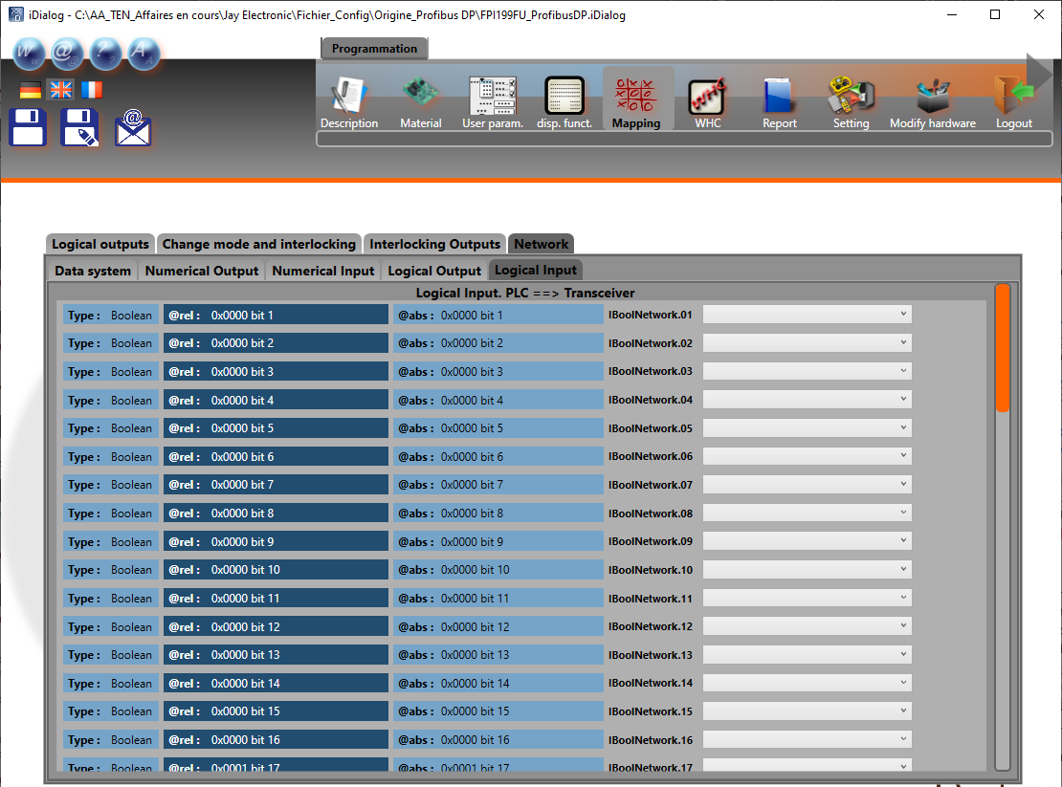
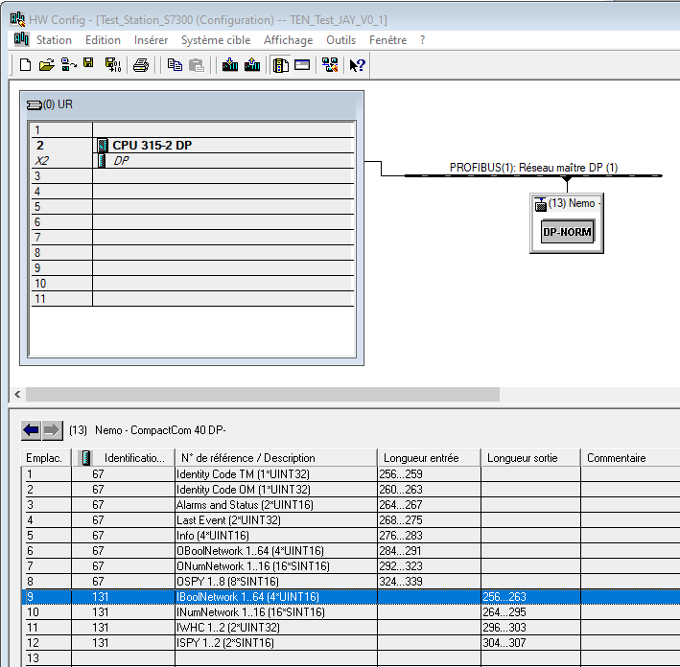

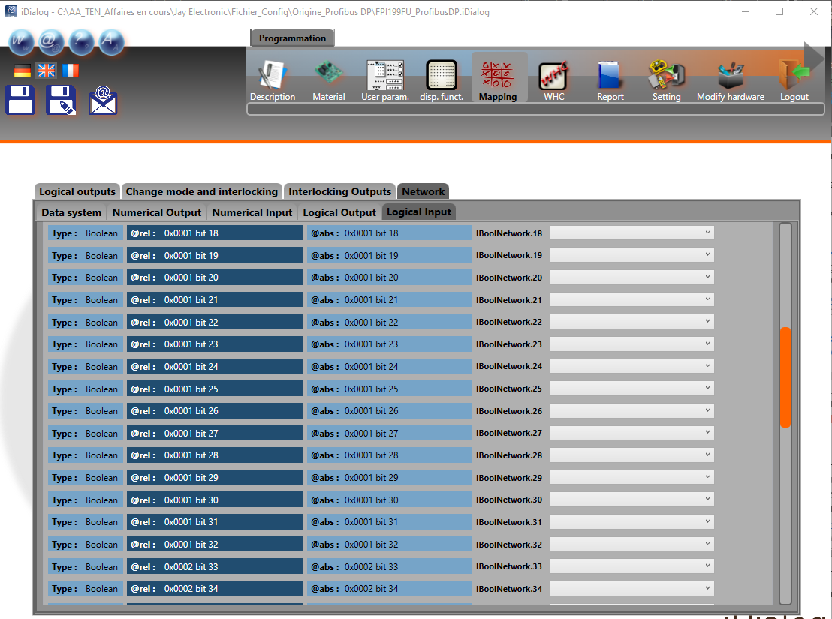

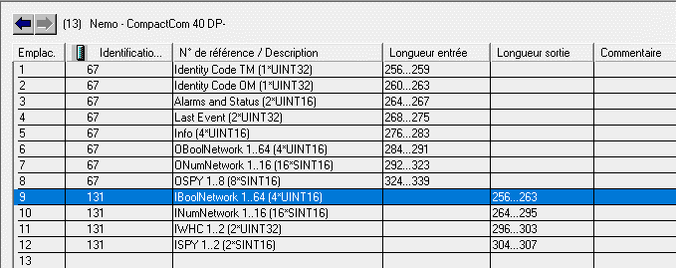



 |  |  |  |  |  |  | Sortie PLC configurée ds HW |  |  | 1100

 |  |  | Radio action | bit | SIEMENS CONDUCTIX | N° | PLC description |  |  | Input number |  | Type
 |  |  | free | 0 | 8 | 0 | IBoolNetwork.9 |  | A | 1100 | .0 | Boolean |  | 1 Byte |  |  | 1er Word |  | M1154.0
 |  |  | free | 1 | 9 | 1 | IBoolNetwork.10 |  | A | 1100 | .1 | Boolean |  |  |  |  |  |  | M1154.1
 |  |  | free | 2 | 10 | 2 | IBoolNetwork.11 |  | A | 1100 | .2 | Boolean |  |  |  |  |  |  | M1154.2
 |  |  | free | 3 | 11 | 3 | IBoolNetwork.12 |  | A | 1100 | .3 | Boolean |  |  |  |  |  |  | M1154.3
 |  |  | free | 4 | 12 | 4 | IBoolNetwork.13 |  | A | 1100 | .4 | Boolean | [AB | 1100 | ] |  |  |  | M1154.4
 |  |  | free | 5 | 13 | 5 | IBoolNetwork.14 |  | A | 1100 | .5 | Boolean |  |  |  |  |  |  | M1154.5
 |  |  | free | 6 | 14 | 6 | IBoolNetwork.15 |  | A | 1100 | .6 | Boolean |  |  |  |  |  |  | M1154.6
 |  |  | free | 7 | 15 | 7 | IBoolNetwork.16 |  | A | 1100 | .7 | Boolean |  |  |  |  |  |  | M1154.7
 |  |  |  |  |  |  |  |  |  |  |  |  |  |  |  | [AW | 1100 | ]
 |  |  | Pop-Up Alarm 01 : STOP PUMP | 0 | 0 | 8 | IBoolNetwork.1 |  | A | 1101 | .0 | Boolean |  | 1 Byte |  |  |  |  | M1155.0
 |  |  | Pop-Up Alarm 02 : START PUMP | 1 | 1 | 9 | IBoolNetwork.2 |  | A | 1101 | .1 | Boolean |  |  |  |  |  |  | M1155.1
 |  |  | Pop-Up Alarm 03 : PUMP FAULT | 2 | 2 | 10 | IBoolNetwork.3 |  | A | 1101 | .2 | Boolean |  |  |  |  |  |  | M1155.2
 |  |  | Pop-Up Alarm 04 : OIL TEMP. FAULT | 3 | 3 | 11 | IBoolNetwork.4 |  | A | 1101 | .3 | Boolean |  |  |  |  |  |  | M1155.3
 |  |  | Pop-Up Alarm 04 : OIL LEVEL FAULT | 4 | 4 | 12 | IBoolNetwork.5 |  | A | 1101 | .4 | Boolean | [AB | 1101 | ] |  |  |  | M1155.4
 |  |  | Pop-Up Alarm 05 : PROX. SWITCH FAULT | 5 | 5 | 13 | IBoolNetwork.6 |  | A | 1101 | .5 | Boolean |  |  |  |  |  |  | M1155.5
 |  |  | Pop-Up Alarm 06 : PLC FAULT | 6 | 6 | 14 | IBoolNetwork.7 |  | A | 1101 | .6 | Boolean |  |  |  |  |  |  | M1155.6
 |  |  | free | 7 | 7 | 15 | IBoolNetwork.8 |  | A | 1101 | .7 | Boolean |  |  |  |  |  |  | M1155.7

 |  |  | free | 0 | 24 | 16 | IBoolNetwork.24 |  | A | 1102 | .0 | Boolean |  | 1 Byte |  |  | 2ème Word
 |  |  | free | 1 | 25 | 17 | IBoolNetwork.25 |  | A | 1102 | .1 | Boolean
 |  |  | free | 2 | 26 | 18 | IBoolNetwork.26 |  | A | 1102 | .2 | Boolean
 |  |  | free | 3 | 27 | 19 | IBoolNetwork.27 |  | A | 1102 | .3 | Boolean
 |  |  | free | 4 | 28 | 20 | IBoolNetwork.28 |  | A | 1102 | .4 | Boolean | [AB | 1102 | ]
 |  |  | free | 5 | 29 | 21 | IBoolNetwork.29 |  | A | 1102 | .5 | Boolean
 |  |  | free | 6 | 30 | 22 | IBoolNetwork.30 |  | A | 1102 | .6 | Boolean
 |  |  | free | 7 | 31 | 23 | IBoolNetwork.31 |  | A | 1102 | .7 | Boolean
 |  |  |  |  |  |  |  |  |  |  |  |  |  |  |  | [AW | 1102 | ]
 |  |  | free | 0 | 16 | 24 | IBoolNetwork.16 |  | A | 1103 | .0 | Boolean |  | 1 Byte
 |  |  | free | 1 | 17 | 25 | IBoolNetwork.17 |  | A | 1103 | .1 | Boolean
 |  |  | free | 2 | 18 | 26 | IBoolNetwork.18 |  | A | 1103 | .2 | Boolean
 |  |  | free | 3 | 19 | 27 | IBoolNetwork.19 |  | A | 1103 | .3 | Boolean
 |  |  | free | 4 | 20 | 28 | IBoolNetwork.20 |  | A | 1103 | .4 | Boolean | [AB | 1103 | ]
 |  |  | free | 5 | 21 | 29 | IBoolNetwork.21 |  | A | 1103 | .5 | Boolean
 |  |  | free | 6 | 22 | 30 | IBoolNetwork.22 |  | A | 1103 | .6 | Boolean
 |  |  | free | 7 | 23 | 31 | IBoolNetwork.23 |  | A | 1103 | .7 | Boolean

 |  |  | free | 0 | 40 | 32 | IBoolNetwork.40 |  | A | 1104 | .0 | Boolean |  | 1 Byte |  |  | 3ème Word
 |  |  | free | 1 | 41 | 33 | IBoolNetwork.41 |  | A | 1104 | .1 | Boolean
 |  |  | free | 2 | 42 | 34 | IBoolNetwork.42 |  | A | 1104 | .2 | Boolean
 |  |  | free | 3 | 43 | 35 | IBoolNetwork.43 |  | A | 1104 | .3 | Boolean
 |  |  | free | 4 | 44 | 36 | IBoolNetwork.44 |  | A | 1104 | .4 | Boolean | [AB | 1104 | ]
 |  |  | free | 5 | 45 | 37 | IBoolNetwork.45 |  | A | 1104 | .5 | Boolean
 |  |  | free | 6 | 46 | 38 | IBoolNetwork.46 |  | A | 1104 | .6 | Boolean
 |  |  | free | 7 | 47 | 39 | IBoolNetwork.47 |  | A | 1104 | .7 | Boolean
 |  |  |  |  |  |  |  |  |  |  |  |  |  |  |  | [AW | 1104 | ]
 |  |  | free | 0 | 32 | 40 | IBoolNetwork.32 |  | A | 1105 | .0 | Boolean |  | 1 Byte
 |  |  | free | 1 | 33 | 41 | IBoolNetwork.33 |  | A | 1105 | .1 | Boolean
 |  |  | free | 2 | 34 | 42 | IBoolNetwork.34 |  | A | 1105 | .2 | Boolean
 |  |  | free | 3 | 35 | 43 | IBoolNetwork.35 |  | A | 1105 | .3 | Boolean
 |  |  | free | 4 | 36 | 44 | IBoolNetwork.36 |  | A | 1105 | .4 | Boolean | [AB | 1105 | ]
 |  |  | free | 5 | 37 | 45 | IBoolNetwork.37 |  | A | 1105 | .5 | Boolean
 |  |  | free | 6 | 38 | 46 | IBoolNetwork.38 |  | A | 1105 | .6 | Boolean
 |  |  | free | 7 | 39 | 47 | IBoolNetwork.39 |  | A | 1105 | .7 | Boolean

 |  |  | free | 0 | 56 | 48 | IBoolNetwork.56 |  | A | 1106 | .0 | Boolean |  | 1 Byte |  |  | 4ème Word
 |  |  | free | 1 | 57 | 49 | IBoolNetwork.57 |  | A | 1106 | .1 | Boolean
 |  |  | free | 2 | 58 | 50 | IBoolNetwork.58 |  | A | 1106 | .2 | Boolean
 |  |  | free | 3 | 59 | 51 | IBoolNetwork.59 |  | A | 1106 | .3 | Boolean
 |  |  | free | 4 | 60 | 52 | IBoolNetwork.60 |  | A | 1106 | .4 | Boolean | [AB | 1106 | ]
 |  |  | free | 5 | 61 | 53 | IBoolNetwork.61 |  | A | 1106 | .5 | Boolean
 |  |  | free | 6 | 62 | 54 | IBoolNetwork.62 |  | A | 1106 | .6 | Boolean
 |  |  | free | 7 | 63 | 55 | IBoolNetwork.63 |  | A | 1106 | .7 | Boolean
 |  |  |  |  |  |  |  |  |  |  |  |  |  |  |  | [AW | 1106 | ]
 |  |  | free | 0 | 48 | 56 | IBoolNetwork.48 |  | A | 1107 | .0 | Boolean |  | 1 Byte
 |  |  | free | 1 | 49 | 57 | IBoolNetwork.49 |  | A | 1107 | .1 | Boolean
 |  |  | free | 2 | 50 | 58 | IBoolNetwork.50 |  | A | 1107 | .2 | Boolean
 |  |  | free | 3 | 51 | 59 | IBoolNetwork.51 |  | A | 1107 | .3 | Boolean
 |  |  | free | 4 | 52 | 60 | IBoolNetwork.52 |  | A | 1107 | .4 | Boolean | [AB | 1107 | ]
 |  |  | free | 5 | 53 | 61 | IBoolNetwork.53 |  | A | 1107 | .5 | Boolean
 |  |  | free | 6 | 54 | 62 | IBoolNetwork.54 |  | A | 1107 | .6 | Boolean
 |  |  | free | 7 | 55 | 63 | IBoolNetwork.55 |  | A | 1107 | .7 | Boolean

WHC
Project : | Tests_Jay_Nemo_MOKA
Customer : | T.EN

Document nr : | /

iDialog software |  |  |  |  |  |  | STEP7 Siemens software
 | backup filename: | FPI199FU_ProfibusDP(WHC_V2) |  |  |  |  |  | project name: |  | FMC_REMAN_V5_0_JAY

 | Programmation |  |  |  |  |  |  | Programmation
 |  | Mapping |  |  |  |  |  |  |  | Hardware

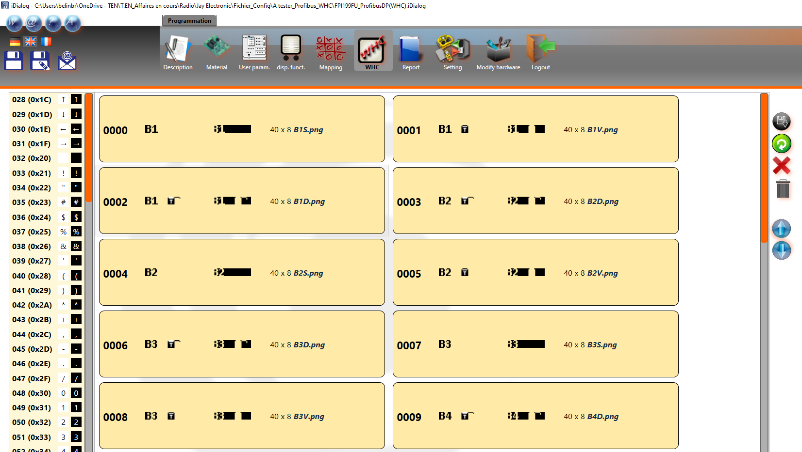
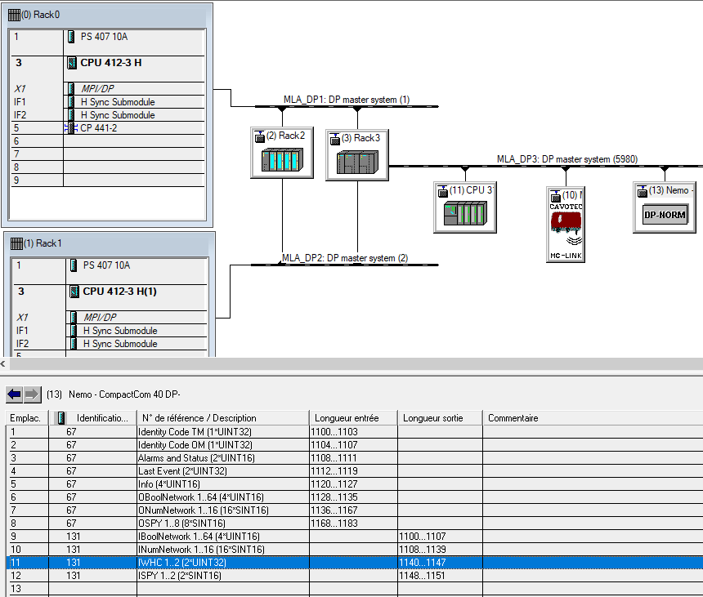

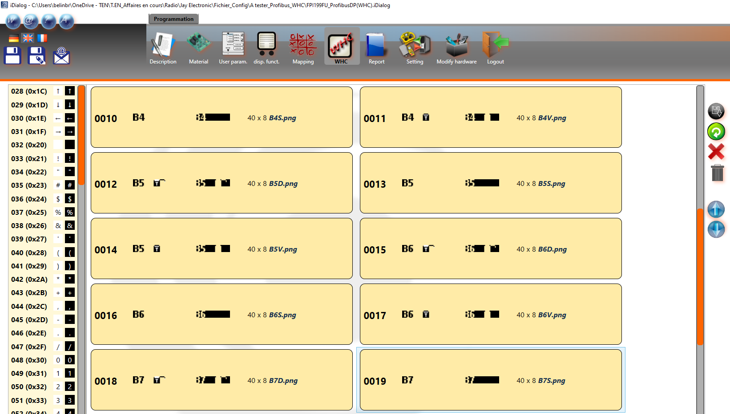

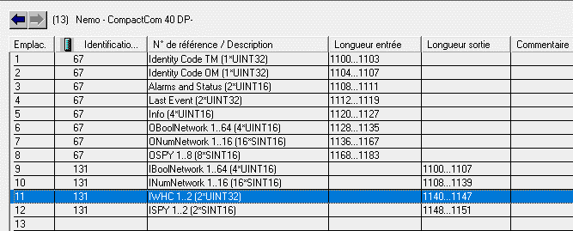

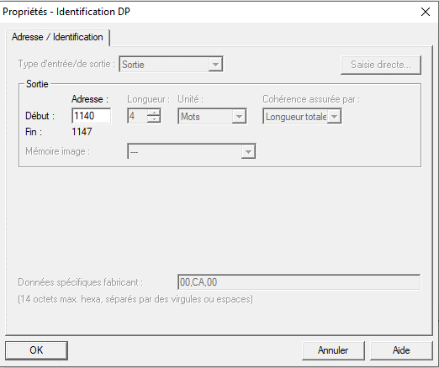

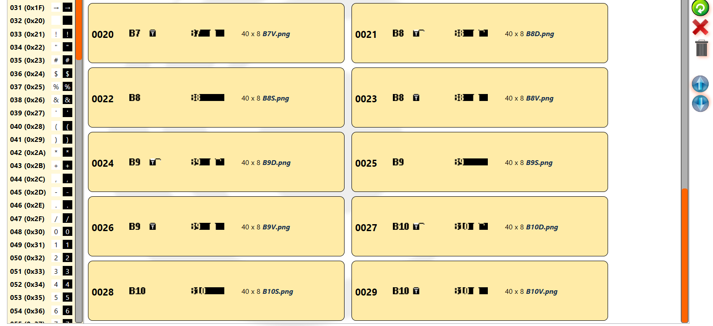

 |  |  |  |  |  |  | Sortie PLC configurée ds HW |  |  | 1140

 |  |  | Radio action | bit | SIEMENS CONDUCTIX | N° | PLC description |  |  | Input number |  | Type
 |  |  | free | 0 | 8 | 0 | IWHC.8 |  | A | 1140 | .0 | Boolean |  | 1 Byte |  |  | 1er Word
 |  |  | free | 1 | 9 | 1 | IWHC.9 |  | A | 1140 | .1 | Boolean
 |  |  | free | 2 | 10 | 2 | IWHC.10 |  | A | 1140 | .2 | Boolean
 |  |  | free | 3 | 11 | 3 | IWHC.11 |  | A | 1140 | .3 | Boolean |  |  |  |  |  |  | b31 | b30 | b29 | b28 | b27 | b26 | b25 | b24 | b23 | b22 | b21 | b20 | b19 | b18 | b17 | b16 | b15 | b14 | b13 | b12 | b11 | b10 | b9 | b8 | b7 | b6 | b5 | b4 | b3 | b2 | b1 | b0
 |  |  | NOT USED | 4 | 12 | 4 | IWHC.12 |  | A | 1140 | .4 | Boolean | [AB | 1140 | ] |  |  |  | 0 | 0 | 0 | 0 | 0 | 0 | 0 | 0 | 0 | 0 | 0 | 1 | 0 | 0 | 0 | 1 | 0 | 0 | 0 | 0 | 0 | 0 | 0 | 0 | 0 | 1 | 0 | 0 | 0 | 0 | 0 | 1
 |  |  | NOT USED | 5 | 13 | 5 | IWHC.13 |  | A | 1140 | .5 | Boolean
 |  |  | NOT USED | 6 | 14 | 6 | IWHC.14 |  | A | 1140 | .6 | Boolean |  |  |  |  |  |  | 0 |  |  |  | 0 |  |  |  | 1 |  |  |  | 1 |  |  |  | 0 |  |  |  | 0 |  |  |  | 4 |  |  |  | 1
 |  |  | NOT USED | 7 | 15 | 7 | IWHC.15 |  | A | 1140 | .7 | Boolean
 |  |  |  |  |  |  |  |  |  |  |  |  |  |  |  | [AW | 1140 | ]
 |  |  | free | 0 | 0 | 8 | IWHC.0 |  | A | 1141 | .0 | Boolean |  | 1 Byte
 |  |  | free | 1 | 1 | 9 | IWHC.1 |  | A | 1141 | .1 | Boolean
 |  |  | free | 2 | 2 | 10 | IWHC.2 |  | A | 1141 | .2 | Boolean |  |  |  |  |  |  |  |  |  |  |  |  | AW | 1140 |  |  |  |  |  |  |  |  |  |  |  |  |  |  | AW | 1142
 |  |  | free | 3 | 3 | 11 | IWHC.3 |  | A | 1141 | .3 | Boolean
 |  |  | free | 4 | 4 | 12 | IWHC.4 |  | A | 1141 | .4 | Boolean | [AB | 1141 | ]
 |  |  | free | 5 | 5 | 13 | IWHC.5 |  | A | 1141 | .5 | Boolean
 |  |  | free | 6 | 6 | 14 | IWHC.6 |  | A | 1141 | .6 | Boolean
 |  |  | free | 7 | 7 | 15 | IWHC.7 |  | A | 1141 | .7 | Boolean

 |  |  | NOT USED | 0 | 24 | 16 | IWHC.24 |  | A | 1142 | .0 | Boolean |  | 1 Byte |  |  | 2ème Word
 |  |  | NOT USED | 1 | 25 | 17 | IWHC.25 |  | E | 1142 | .1 | Boolean
 |  |  | NOT USED | 2 | 26 | 18 | IWHC.26 |  | E | 1142 | .2 | Boolean
 |  |  | NOT USED | 3 | 27 | 19 | IWHC.27 |  | E | 1142 | .3 | Boolean
 |  |  | NOT USED | 4 | 28 | 20 | IWHC.28 |  | E | 1142 | .4 | Boolean | [AB | 1142 | ]
 |  |  | NOT USED | 5 | 29 | 21 | IWHC.29 |  | E | 1142 | .5 | Boolean
 |  |  | NOT USED | 6 | 30 | 22 | IWHC.30 |  | E | 1142 | .6 | Boolean
 |  |  | NOT USED | 7 | 31 | 23 | IWHC.31 |  | E | 1142 | .7 | Boolean
 |  |  |  |  |  |  |  |  |  |  |  |  |  |  |  | [AW | 1142 | ]
 |  |  | free | 0 | 16 | 24 | IWHC.16 |  | A | 1143 | .0 | Boolean |  | 1 Byte
 |  |  | free | 1 | 17 | 25 | IWHC.17 |  | A | 1143 | .1 | Boolean
 |  |  | free | 2 | 18 | 26 | IWHC.18 |  | A | 1143 | .2 | Boolean
 |  |  | free | 3 | 19 | 27 | IWHC.19 |  | A | 1143 | .3 | Boolean
 |  |  | free | 4 | 20 | 28 | IWHC.20 |  | A | 1143 | .4 | Boolean | [AB | 1143 | ]
 |  |  | free | 5 | 21 | 29 | IWHC.21 |  | A | 1143 | .5 | Boolean
 |  |  | free | 6 | 22 | 30 | IWHC.22 |  | A | 1143 | .6 | Boolean
 |  |  | free | 7 | 23 | 31 | IWHC.23 |  | A | 1143 | .7 | Boolean

 |  |  | free | 0 | 40 | 32 | IWHC.40 |  | A | 1144 | .0 | Boolean |  | 1 Byte |  |  | 3ème Word
 |  |  | free | 1 | 41 | 33 | IWHC.41 |  | A | 1144 | .1 | Boolean
 |  |  | free | 2 | 42 | 34 | IWHC.42 |  | A | 1144 | .2 | Boolean
 |  |  | free | 3 | 43 | 35 | IWHC.43 |  | A | 1144 | .3 | Boolean
 |  |  | free | 4 | 44 | 36 | IWHC.44 |  | A | 1144 | .4 | Boolean | [AB | 1144 | ]
 |  |  | free | 5 | 45 | 37 | IWHC.45 |  | A | 1144 | .5 | Boolean
 |  |  | free | 6 | 46 | 38 | IWHC.46 |  | A | 1144 | .6 | Boolean
 |  |  | free | 7 | 47 | 39 | IWHC.47 |  | A | 1144 | .7 | Boolean
 |  |  |  |  |  |  |  |  |  |  |  |  |  |  |  | [AW | 1144 | ]
 |  |  | free | 0 | 32 | 40 | IWHC.32 |  | A | 1145 | .0 | Boolean |  | 1 Byte
 |  |  | free | 1 | 33 | 41 | IWHC.33 |  | A | 1145 | .1 | Boolean
 |  |  | free | 2 | 34 | 42 | IWHC.34 |  | A | 1145 | .2 | Boolean
 |  |  | free | 3 | 35 | 43 | IWHC.35 |  | A | 1145 | .3 | Boolean
 |  |  | free | 4 | 36 | 44 | IWHC.36 |  | A | 1145 | .4 | Boolean | [AB | 1145 | ]
 |  |  | free | 5 | 37 | 45 | IWHC.37 |  | A | 1145 | .5 | Boolean
 |  |  | free | 6 | 38 | 46 | IWHC.38 |  | A | 1145 | .6 | Boolean
 |  |  | free | 7 | 39 | 47 | IWHC.39 |  | A | 1145 | .7 | Boolean

 |  |  | free | 0 | 56 | 48 | IWHC.56 |  | A | 1146 | .0 | Boolean |  | 1 Byte |  |  | 4ème Word
 |  |  | free | 1 | 57 | 49 | IWHC.57 |  | A | 1146 | .1 | Boolean
 |  |  | free | 2 | 58 | 50 | IWHC.58 |  | A | 1146 | .2 | Boolean
 |  |  | free | 3 | 59 | 51 | IWHC.59 |  | A | 1146 | .3 | Boolean
 |  |  | free | 4 | 60 | 52 | IWHC.60 |  | A | 1146 | .4 | Boolean | [AB | 1146 | ]
 |  |  | free | 5 | 61 | 53 | IWHC.61 |  | A | 1146 | .5 | Boolean
 |  |  | free | 6 | 62 | 54 | IWHC.62 |  | A | 1146 | .6 | Boolean
 |  |  | free | 7 | 63 | 55 | IWHC.63 |  | A | 1146 | .7 | Boolean
 |  |  |  |  |  |  |  |  |  |  |  |  |  |  |  | [AW | 1146 | ]
 |  |  | free | 0 | 48 | 56 | IWHC.48 |  | A | 1147 | .0 | Boolean |  | 1 Byte
 |  |  | free | 1 | 49 | 57 | IWHC.49 |  | A | 1147 | .1 | Boolean
 |  |  | free | 2 | 50 | 58 | IWHC.50 |  | A | 1147 | .2 | Boolean
 |  |  | free | 3 | 51 | 59 | IWHC.51 |  | A | 1147 | .3 | Boolean
 |  |  | free | 4 | 52 | 60 | IWHC.52 |  | A | 1147 | .4 | Boolean | [AB | 1147 | ]
 |  |  | free | 5 | 53 | 61 | IWHC.53 |  | A | 1147 | .5 | Boolean
 |  |  | free | 6 | 54 | 62 | IWHC.54 |  | A | 1147 | .6 | Boolean
 |  |  | free | 7 | 55 | 63 | IWHC.55 |  | A | 1147 | .7 | Boolean

WHC à programmer
Project : | Tests_Jay_Nemo_MOKA
Customer : | T.EN

Document nr : | /

Adressages pour chaque image WHC à programmer dans le PLC:

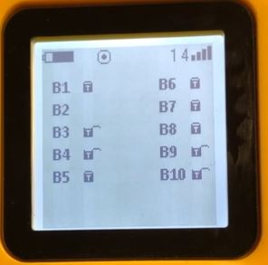
 |  |  | Ce que nous voulons obtenir sur notre écran radio:

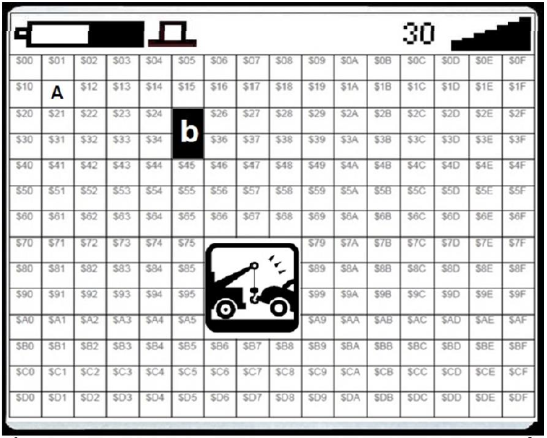

B1
B6
 |  | appel de l'image B1 en: | $11 |  |  |  |  |  |  |  |  |  |  |  |  |  |  |  |  |  |  |  |  |  |  |  |  |  | appel de l'image B6 en: |  |  |  |  | $1B

B7
B2
 |  | appel de l'image B2 en: | $31 |  |  |  |  |  |  |  |  |  |  |  |  |  |  |  |  |  |  |  |  |  |  |  |  |  | appel de l'image B7 en: |  |  |  |  | $3B

B3
B8
 |  | appel de l'image B3 en: | $51 |  |  |  |  |  |  |  |  |  |  |  |  |  |  |  |  |  |  |  |  |  |  |  |  |  | appel de l'image B8 en: |  |  |  |  | $5B

B4
B9
 |  | appel de l'image B4 en: | $71 |  |  |  |  |  |  |  |  |  |  |  |  |  |  |  |  |  |  |  |  |  |  |  |  |  | appel de l'image B9 en: |  |  |  |  | $7B

B5
B10
 |  | appel de l'image B5 en: | $91 |  |  |  |  |  |  |  |  |  |  |  |  |  |  |  |  |  |  |  |  |  |  |  |  |  | appel de l'image B10 en: |  |  |  |  | $9B

 |  |  | rappel:

 |  |  |  | 2^3 | 2^2 | 2^1 | 2^0 | 2^3 | 2^2 | 2^1 | 2^0 | 2^3 | 2^2 | 2^1 | 2^0 | 2^3 | 2^2 | 2^1 | 2^0 | 2^3 | 2^2 | 2^1 | 2^0 | 2^3 | 2^2 | 2^1 | 2^0 | 2^3 | 2^2 | 2^1 | 2^0 | 2^3 | 2^2 | 2^1 | 2^0
 |  |  |  | 8 | 4 | 2 | 1 | 8 | 4 | 2 | 1 | 8 | 4 | 2 | 1 | 8 | 4 | 2 | 1 | 8 | 4 | 2 | 1 | 8 | 4 | 2 | 1 | 8 | 4 | 2 | 1 | 8 | 4 | 2 | 1
 |  |  |  | b31 | b30 | b29 | b28 | b27 | b26 | b25 | b24 | b23 | b22 | b21 | b20 | b19 | b18 | b17 | b16 | b15 | b14 | b13 | b12 | b11 | b10 | b9 | b8 | b7 | b6 | b5 | b4 | b3 | b2 | b1 | b0
 |  |  |  | 0 | 0 | 0 | 0 | 0 | 0 | 0 | 0 | ? | ? | ? | ? | ? | ? | ? | ? | 0 | 0 | 0 | 0 | 0 | 0 | 0 | 1 | ? | ? | ? | ? | ? | ? | ? | ?

 |  |  |  | Adresse [$0000]pour afficher l'image [B1] en [$11]: |  |  |  |  |  |  |  |  |  |  |  |  |  |  |  |  |  |  |  |  |  |  |  |  |  |  |  |  |  |  |  | Lignes de code dans programme PLC: |  | Affichage sur l'écran de la radio JAY type MOKA:
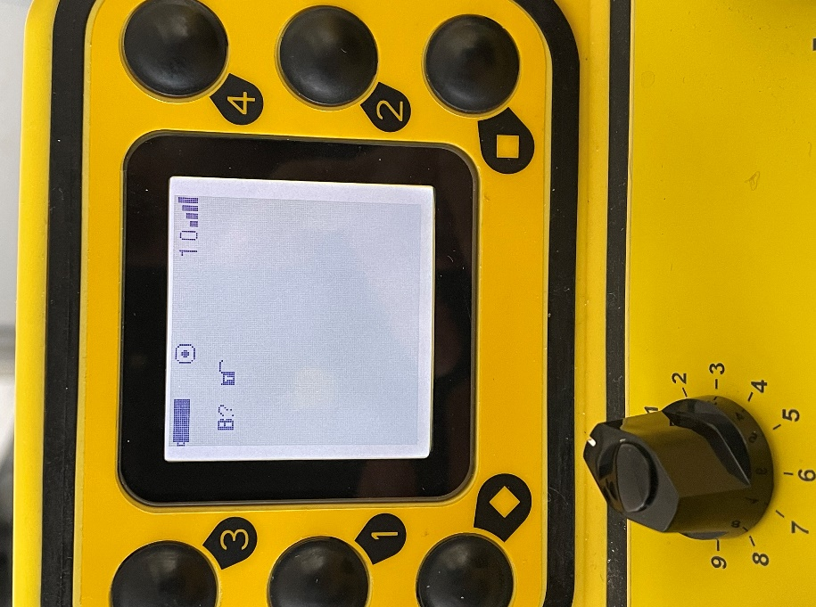
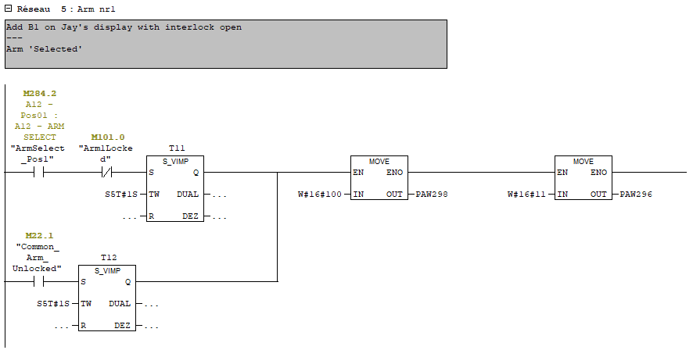
 |  |  |  | 2^3 | 2^2 | 2^1 | 2^0 | 2^3 | 2^2 | 2^1 | 2^0 | 2^3 | 2^2 | 2^1 | 2^0 | 2^3 | 2^2 | 2^1 | 2^0 | 2^3 | 2^2 | 2^1 | 2^0 | 2^3 | 2^2 | 2^1 | 2^0 | 2^3 | 2^2 | 2^1 | 2^0 | 2^3 | 2^2 | 2^1 | 2^0
 |  |  |  | 8 | 4 | 2 | 1 | 8 | 4 | 2 | 1 | 8 | 4 | 2 | 1 | 8 | 4 | 2 | 1 | 8 | 4 | 2 | 1 | 8 | 4 | 2 | 1 | 8 | 4 | 2 | 1 | 8 | 4 | 2 | 1
 |  |  |  | b31 | b30 | b29 | b28 | b27 | b26 | b25 | b24 | b23 | b22 | b21 | b20 | b19 | b18 | b17 | b16 | b15 | b14 | b13 | b12 | b11 | b10 | b9 | b8 | b7 | b6 | b5 | b4 | b3 | b2 | b1 | b0
 |  |  |  | 0 | 0 | 0 | 0 | 0 | 0 | 0 | 0 | 0 | 0 | 0 | 1 | 0 | 0 | 0 | 1 | 0 | 0 | 0 | 0 | 0 | 0 | 0 | 1 | 0 | 0 | 0 | 0 | 0 | 0 | 0 | 0

~
 |  |  |  | 0 |  |  |  | 0 |  |  |  | 1 |  |  |  | 1 |  |  |  | 0 |  |  |  | 1 |  |  |  | 0 |  |  |  | 0

 |  |  |  |  |  |  |  |  |  | AW | 1140 |  |  |  |  |  |  |  |  |  |  |  |  |  |  | AW | 1142

 |  |  |  |  |  |  |  |  |  |  |  |  |  |  |  |  |  |  |  |  |  |  |  |  |  |  |  |  |  |  |  |  |  |  |  | Lignes de code dans programme PLC:

 |  |  |  | Adresse [$0002]pour afficher l'image [B1] en [$11]: |  |  |  |  |  |  |  |  |  |  |  |  |  |  |  |  |  |  |  |  |  |  |  |  |  |  |  |  |  |  |  | Lignes de code dans programme PLC: |  | Affichage sur l'écran de la radio JAY type MOKA:

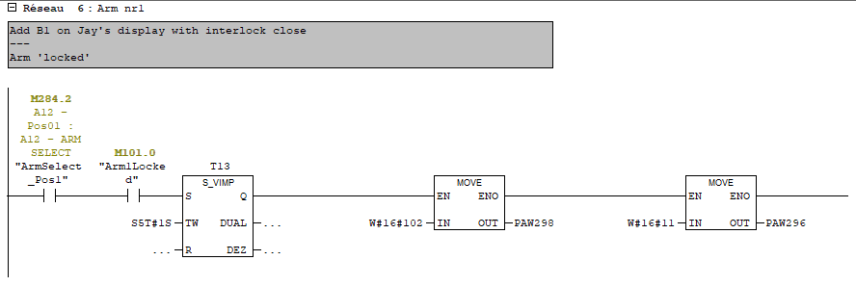
 |  |  |  | 2^3 | 2^2 | 2^1 | 2^0 | 2^3 | 2^2 | 2^1 | 2^0 | 2^3 | 2^2 | 2^1 | 2^0 | 2^3 | 2^2 | 2^1 | 2^0 | 2^3 | 2^2 | 2^1 | 2^0 | 2^3 | 2^2 | 2^1 | 2^0 | 2^3 | 2^2 | 2^1 | 2^0 | 2^3 | 2^2 | 2^1 | 2^0
 |  |  |  | 8 | 4 | 2 | 1 | 8 | 4 | 2 | 1 | 8 | 4 | 2 | 1 | 8 | 4 | 2 | 1 | 8 | 4 | 2 | 1 | 8 | 4 | 2 | 1 | 8 | 4 | 2 | 1 | 8 | 4 | 2 | 1
 |  |  |  | b31 | b30 | b29 | b28 | b27 | b26 | b25 | b24 | b23 | b22 | b21 | b20 | b19 | b18 | b17 | b16 | b15 | b14 | b13 | b12 | b11 | b10 | b9 | b8 | b7 | b6 | b5 | b4 | b3 | b2 | b1 | b0
 |  |  |  | 0 | 0 | 0 | 0 | 0 | 0 | 0 | 0 | 0 | 0 | 0 | 1 | 0 | 0 | 0 | 1 | 0 | 0 | 0 | 0 | 0 | 0 | 0 | 1 | 0 | 0 | 0 | 0 | 0 | 0 | 1 | 0
~
 |  |  |  | 0 |  |  |  | 0 |  |  |  | 1 |  |  |  | 1 |  |  |  | 0 |  |  |  | 1 |  |  |  | 0 |  |  |  | 2

 |  |  |  |  |  |  |  |  |  |  |  |  |  |  |  |  |  |  |  |  |  |  |  |  |  |  |  |  |  |  |  |  |  |  |  |  | A METTRE A JOUR / IMAGE

 |  |  |  |  |  |  |  |  |  | AW | 1140 |  |  |  |  |  |  |  |  |  |  |  |  |  |  | AW | 1142

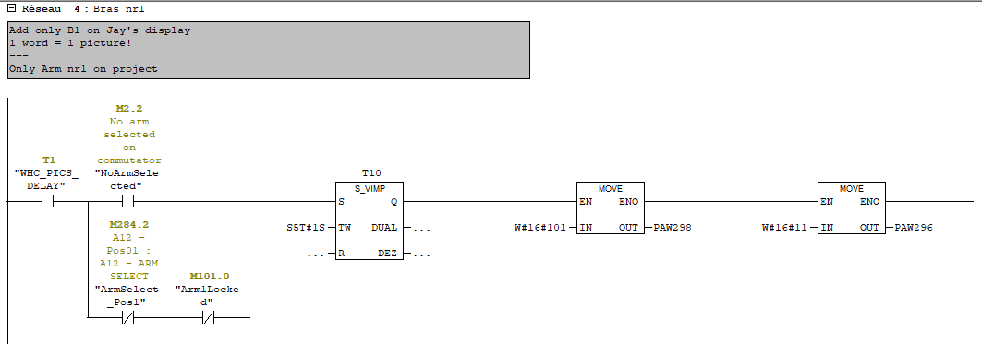
 |  |  |  | Adresse [$0001]pour afficher l'image [B1] en [$11]: |  |  |  |  |  |  |  |  |  |  |  |  |  |  |  |  |  |  |  |  |  |  |  |  |  |  |  |  |  |  |  | Lignes de code dans programme PLC:
 |  |  |  |  |  |  |  |  |  |  |  |  |  |  |  |  |  |  |  |  |  |  |  |  |  |  |  |  |  |  |  |  |  |  |  |  |  | Affichage sur l'écran de la radio JAY type MOKA:
 |  |  |  | 2^3 | 2^2 | 2^1 | 2^0 | 2^3 | 2^2 | 2^1 | 2^0 | 2^3 | 2^2 | 2^1 | 2^0 | 2^3 | 2^2 | 2^1 | 2^0 | 2^3 | 2^2 | 2^1 | 2^0 | 2^3 | 2^2 | 2^1 | 2^0 | 2^3 | 2^2 | 2^1 | 2^0 | 2^3 | 2^2 | 2^1 | 2^0
 |  |  |  | 8 | 4 | 2 | 1 | 8 | 4 | 2 | 1 | 8 | 4 | 2 | 1 | 8 | 4 | 2 | 1 | 8 | 4 | 2 | 1 | 8 | 4 | 2 | 1 | 8 | 4 | 2 | 1 | 8 | 4 | 2 | 1
 |  |  |  | b31 | b30 | b29 | b28 | b27 | b26 | b25 | b24 | b23 | b22 | b21 | b20 | b19 | b18 | b17 | b16 | b15 | b14 | b13 | b12 | b11 | b10 | b9 | b8 | b7 | b6 | b5 | b4 | b3 | b2 | b1 | b0
 |  |  |  | 0 | 0 | 0 | 0 | 0 | 0 | 0 | 0 | 0 | 0 | 0 | 1 | 0 | 0 | 0 | 1 | 0 | 0 | 0 | 0 | 0 | 0 | 0 | 1 | 0 | 0 | 0 | 0 | 0 | 0 | 0 | 1

~
 |  |  |  | 0 |  |  |  | 0 |  |  |  | 1 |  |  |  | 1 |  |  |  | 0 |  |  |  | 1 |  |  |  | 0 |  |  |  | 1

 |  |  |  |  |  |  |  |  |  |  |  |  |  |  |  |  |  |  |  |  |  |  |  |  |  |  |  |  |  |  |  |  |  |  |  |  | A METTRE A JOUR / IMAGE

 |  |  |  |  |  |  |  |  |  | AW | 1140 |  |  |  |  |  |  |  |  |  |  |  |  |  |  | AW | 1142

